Start Here
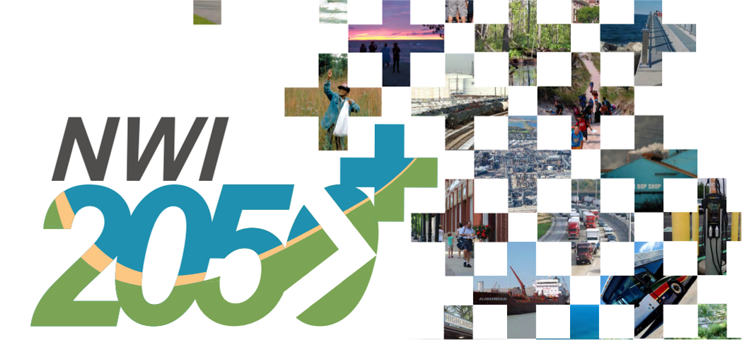
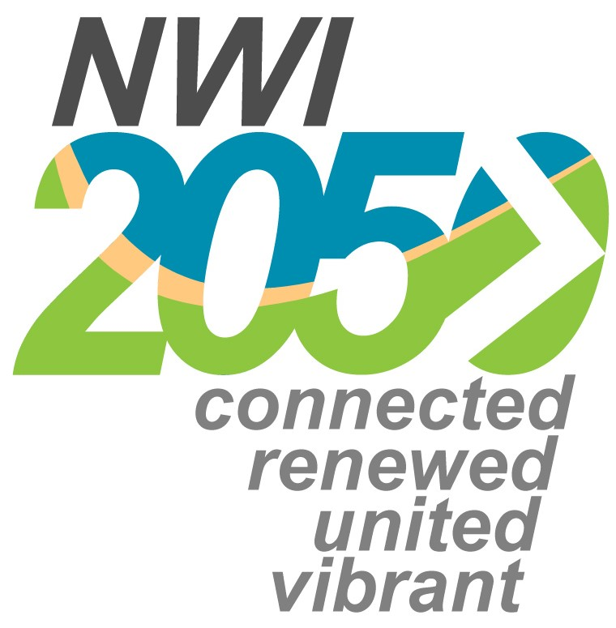

Invest NWI
Northwestern Indiana Regional Planning Commission 2026-2030 Transportation Improvement Program Notice of Funds Available

 |  |  |  |  |  |  |  |  |  |  |  |  | `

Overview of 2026-2030 Transportation Improvement Program programming approach
The 2026-2030 Transportation Improvement Program (TIP) fully supports NWI 2050, NWI 2050+, USDOT current Planning Emphasis Areas (PEAs) and follows closely to NIRPC's previous TIP. Prior to the 2024-2028 TIP, working closely with the topical committees, NIRPC followed the following chart:

 |  |  |  | 13 Investment Programs

Air Quality
Air Quality
Complete Streets
Complete Streets
Environment
Environment
Multi-Use Trails
Multi-Use Trails
New Roadways
New Roadways
Planning
Planning
Quality of Place
Quality of Place

- Asset Management
- Access + Connections
- Environmental Benefits
- Economic Generation
- Local/Regional Plans + Policies
- Partnerships/Collaborations
- Project Readiness
- Safety
- Social Equity
- Asset Management
- Access + Connections
- Environmental Benefits
- Economic Generation
- Local/Regional Plans + Policies
- Partnerships/Collaborations
- Project Readiness
- Safety
- Social Equity
9 "umbrella"
criteria to evaluate project applications
9 "umbrella"
criteria to evaluate project applications

Roadway Modifications
Roadway Modifications
Transit - Asset Management
Transit - Asset Management
Transit - Customer Service/ Security
Transit - Customer Service/ Security
Transit - Expansion
Transit - Expansion
Transit - Operating Assistance
Transit - Operating Assistance
Transit Oriented Development
Transit Oriented Development

Transit - Asset Management Program
Name of municipality or transit operator: |  |  |  |  |  |  | Project location ► | County
Name of applicant on behalf of municipality or transit operator (ERC): |  |  |  |  |  |  |  |  |  | Urbanized area? (y/n)
Key milestones ▼ |  |  |  |  | Fill out ▼ | Phone # ►
2024-09-10 |  |  | Application for funding opens |  |  | Email ►
2024-09-24 |  |  | Optional application workshop at NIRPC during TROC meetings |  |  | Road/trail name/other identifier ▼
Now through October 9, 2024 |  |  | Optional pre-application scoping meetings with NIRPC
2024-10-18 |  |  | Applications for funding due |  |  | Beginning limit
October 21 - November 8, 2024 |  |  | Internal review of projects by NIRPC |  |  | Ending limit
November 8 - January 31, 2025 |  |  | Projects reviewed, scored, and fiscally constrained by topical committees |  | ▼-------------------------------------- For NIRPC use -------------------------------------▼ | Project information summary ▼
2025-02-11 |  |  | Final draft reviewed by TPC; window for iteration/revisions if necessary |  |  | Primary program funds requested from ►
2025-03-31 |  |  | Draft TIP due to INDOT |  |  | Primary project type ► |  |  |  | 0
January 14 - February 11, 2025 |  |  | Air quality conformity modeling |  |  | Project description (Give a brief 3 sentence description of the project.)▼
February 28 - March 31, 2023 |  |  | 30-day public comment period (NIRPC)
2025-04-08 |  |  | Final TIP presented to TPC for a Vote to Recommend
2025-04-17 |  |  | Anticipated vote to adopt TIP by Commission
Instructions for this application ▼
1) Input requested information in all cells that have a blue box around the cell; see example to the right ►

2) Most cells are locked to protect formulas and data validation. Cells with yellow boxes are for NIRPC use, or will auto calculate; see example to the right ► |  |  |  |  |  | Project funding summary ▼
 |  |  |  |  |  | CN cost estimate |  | $- | Overmatch? |  |  | N
3) Green colored Tabs are worksheets that need information filled out by you in them. Blue colored Tabs are worksheets containing information, they do not have any boxes to be filled out. |  |  |  |  |  | Federal share |  | $- | Regionally significant? |  |  | 0
 |  |  |  |  |  | PE/ROW cost estimate |  | $- | Funding flex to FTA? |  |  | 0
4) Be sure to confirm the project location is eligible for federal-aid; most FHWA project types and funding sources require the location to be on a federally-aid eligible roadway (see Maps link). |  |  |  |  |  | Project scoring summary ▼ |  |  |  | Self | NIRPC | Final
 |  |  |  |  |  | Asset Management |  |  |  |  | 0 | 0
5) Please provide as specific information as is possible, especially for project cost estimation, project scope, project limits, and if any capacity will be added to roadways. |  |  |  |  |  | Access and Connections |  |  |  |  | 0 | 0
 |  |  |  |  |  | Environmental Benefits |  |  |  |  | 0 | 0
6) Review all tabs for important information for your application, including funding source availability and eligibility requirements to assist in scoping your project application (see Funding overview tab) |  |  |  |  |  | Economic Generation |  |  |  |  | 0 | 0
 |  |  |  |  |  | Local /Regional Plans & Policy Support |  |  |  |  | 0 | 0
7) Review program and project types descriptions and decide on what program and project type you would like to apply for (see Program & Project tab) |  |  |  |  |  | Partnerships/Collaborations |  |  |  |  | 0 | 0
 |  |  |  |  |  | Project Readiness |  |  |  |  | 0 | 0
8) Be sure to include the following on all applications: |  |  |  |  |  | Safety |  |  |  |  | 0 | 0
 | a) Supporting documents for all questions. |  |  |  |  | Social Equity |  |  |  |  | 0 | 0
 | b) A completed des number request form |  |  |  |  | Total of 100 possible ► |  |  |  | 0 | 0 | 0
 | c) Cover letter with: |  |  |  |  | Other important project information ▼
 |  | 1) Project description & location |  |  |  | Project will need CMAQ eligibility determination (y/n) ► |  |  |  |  |  | 0
 |  | 2) Signed by highest elected official |  |  |  | Project will need HSIP eligibility determination (y/n) ► |  |  |  |  |  | 0
 |  | 3) Total Project Costs (PE/RW/CN) and what funds are being asked for
 |  | 4) Project Timeline
 |  | 5) Acknowledgement of the requirement that the LPA must provide all future maintenance
9) If applying for HSIP funds, be sure to include the following documents:
 | a) Supporting documents for all questions.
 | b) Needs Analysis
 | c) Financial Analysis (Benefit/Cost Analysis)
 | d) Commitment to attend future NIRPC's Road Safety Audit workshop.
10) Input all required information for your project application on the program specific tab and upload this completed application with supporting documents to NIRPC no later than 5:00 pm (Central time) Friday October 18th, 2024 at:

https://rtip.nirpc.org/secure2/xtip_amend_menu.asp?amend_type=CFP
11) If you have any questions, please do not hesitate to contact us, or join us for the optional application workshop on Tuesday September 24th at 9am, or arrange for a pre-application meeting before Wednesday October 9, 2024.

12) Join us for a peer review of all projects in the beginning of February to support your project application

Program & Project Types
Critical paths to achieve the four visions of the NWI 2050 Plan
The 2026-2030 Transportation Improvement Program programming approach aligns with the NWI 2050 Plan and federally required performance-based-planning regulations contained within the Infrastructure Improvement & Jobs Act. Transportation project types were identified in federal law, and each type was scored by NIRPC topical committees for their positive impacts on the sixteen critical paths to achieving the four vision statements identified in the NWI 2050 Plan. Funding targets were then identified for as many well scoring project types as possible, given available resources. Below are the sixteen critical paths. Each of the sixteen critical paths has associated performance metrics, including those required by federal law.

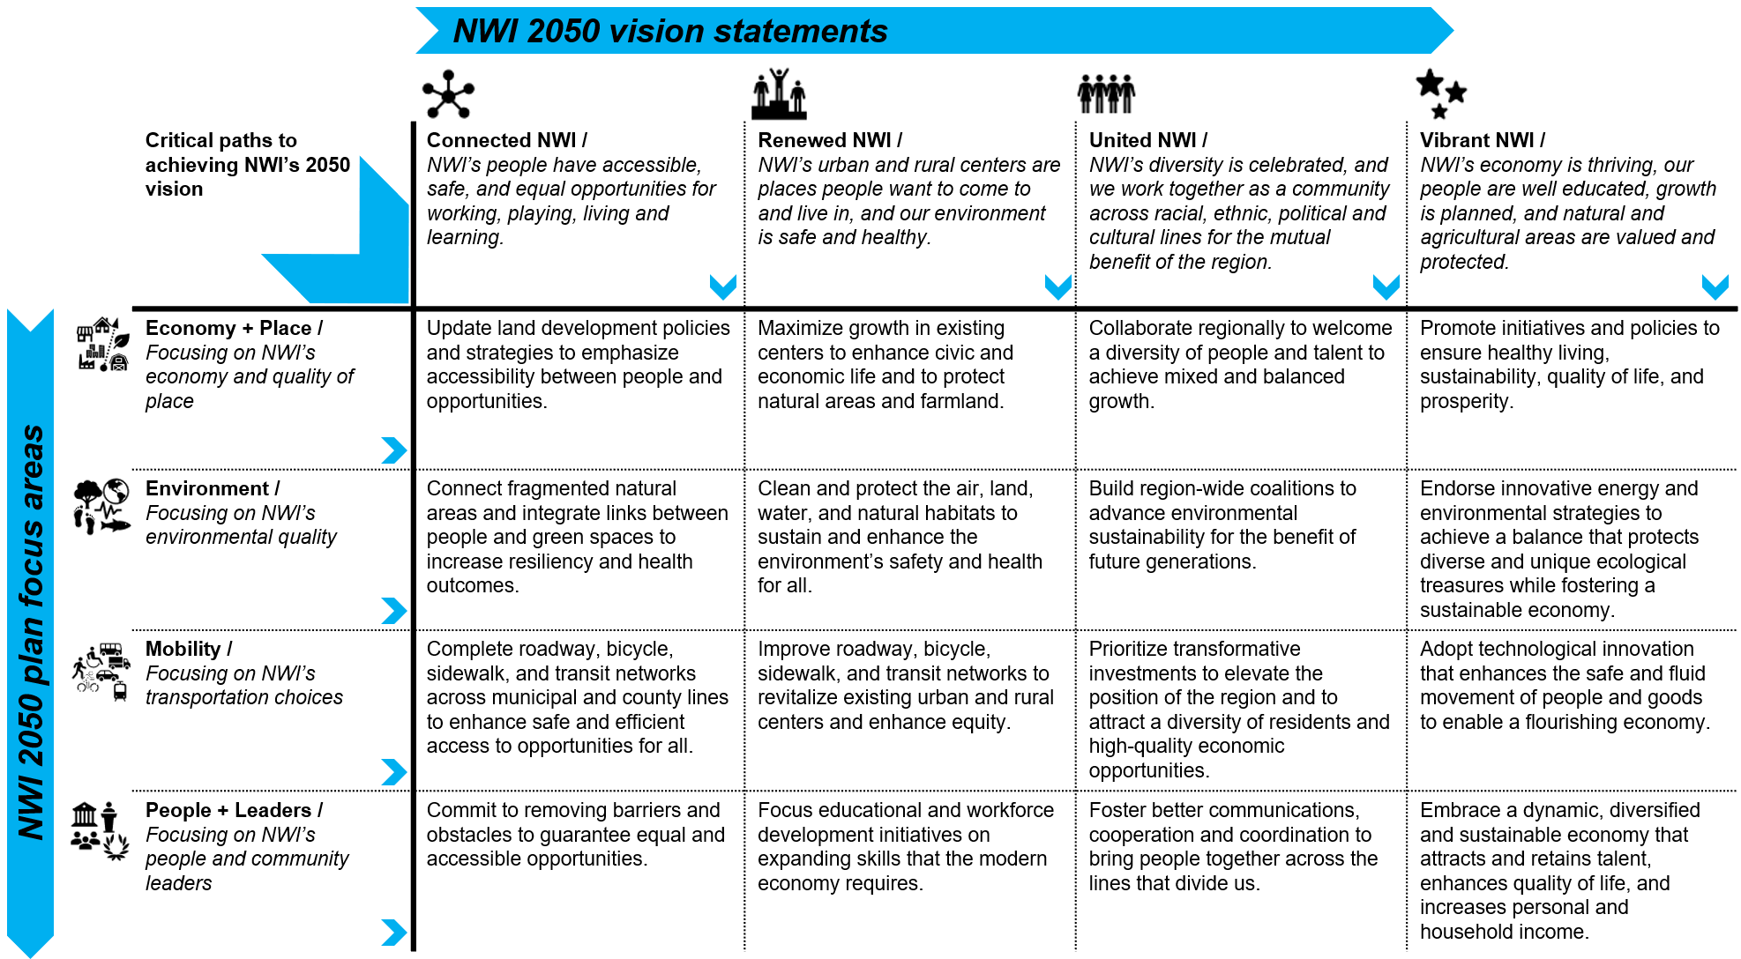

Investment programs for the 2026 - 2030 TIP
Sixty four project types were identified as eligible for FHWA or FTA funds. Each of the project types were organized into one of thirteen investment programs. Each of the investment programs is assigned to a working group of one of NIRPC's committees. Each of the project types were scored for their direct and indirect impacts on the NWI 2050+ Plan critical paths to achieve the vision for Northwestern Indiana. Below are the thirteen investment programs (ranked by the average score of the project types that make up the program), and the highest scoring project types that have been assigned funding targets. The funding targets are not fixed and funds may be reallocated based on the number of applications received for each program. Project applicants may also apply for project types that did not receive a funding target, as all project types technically remain eligible under federal law, but targeted project types will be funded first. All funding decisions are subject to final approval of the Commission. The Commission may elect to reprioritize funding targets at its discretion and make awards to projects that are eligible under federal and state guidelines. All project applications will be self-scored by applicants, receive a preliminary score through internal deliberation by NIRPC staff, and then receive a final score by the assigned Topical Committee. The Technical Planning Committee will review scores and recommend a portfolio of fiscally constrained projects to ultimately fund in the 2026-2030 TIP.

Program name | Topical committee assigned to review applications | Project types in program | Score tier | Targeted for funding in 2026-2030? | Funding source targeted? | Additional eligibility determination required?

Infrastructure
Air quality | Environment Committee | Alternative fuel infrastructure | Tier 1 | Yes | CMAQ, CRP | Yes, air quality benefit calculation | Alternative fuel infrastructure | 1
 |  | Description: electric or natural gas fuel infrastructure |  |  |  |  | Vehicle emission reduction (new or modification) | 1
 |  | Vehicle emission reduction (new or modification) | Tier 1 | Yes | CMAQ, CRP | Yes, air quality benefit calculation | Air quality education | 2
 |  | Description: funds to assist with procuring or retrofitting vehicles to reduce emissions
 |  | Air quality education | Tier 2 | Yes | CMAQ | Yes, air quality benefit calculation
...

