Design Check
 |  |  |  |  | St. Joseph County Health Department

 |  |  |  |  | “Promoting physical and mental health and facilitating the prevention
 |  |  |  |  | of disease, injury and disability for all St Joseph County residents”

Property Address: |  |  |  |  |  |  | Permit #:

Accept user agreements on 'Read Me First' worksheet to Proceed
1. Select the previously designed pump. If the pump is not on the list, then select "other" as make and model and manually fill out the "Other Pump Curve" table to the right. |  |  |  |  |  |  |  |  |  | To enter custom pump data, select pump make as 'Other:'

Make: |  |  |  |  | Model:

2. General Site information:
Number of bedrooms that the system serves:
Is this system a sand connector?
Soil loading rate from IAC 6-8.3 Table IV(gal./day/SF):

3. Fill out previously designed force main geometry below:
Force Main Diameter(in): |  |  |  | Manifold Dia. (in): |  |  | Lateral Diameter(in):
Force Main Length (ft): |  |  |  | Manifold Length (ft): |  |  | Lateral Length (ft):
 |  |  |  | Manifold Position: |  |  | Number of Laterals:
 |  |  | Lateral Spacing Along Manifold (ft): |  |  |  | 1/4" Hole Spacing(ft):
 |  |  |  |  |  | 1/4" Holes per Lateral(end cap incl.):
Vertical Length of Force Main (ft): |  |  |  |  |  |  | Total # of 1/4" Holes:
Highest Elevation of Distribution System (ft):
Pressure PVC or ABS Pipe Type:
Where does Force Main drain after dose?

4. Fill out previously designed Dose Tank Data:
Describe Dose Tank Geometry:
Pump Off Elevation (ft):
Pump On Elevation (ft):
Top of Pump Elevation (ft):

5. Fill out the force main fitting schedule table below. The table assumes the fitting is same size of the force main. If custom fitting/equivalent lengths are desired, then select "Other" as the "Type of Fitting":

Type of Fitting |  |  |  | No. of Fittings | Equiv. Length per Fitting(ft)
 |  |  |  |  | 0.0
 |  |  |  |  | 0.0
 |  |  |  |  | 0.0
 |  |  |  |  | 0.0
 |  |  |  |  | 0.0
Total Fitting Friction Loss - Expressed in Equivalent Length of Pipe (ft): |  |  |  |  |  | 0
6. Is the Pump Curve (shown below) current with the manufacturer's website? And is the curve not excessively wavey? And is the R2 value (shown on graph) greater than 0.97? See "Help" tab for detailed explanation. |  |  |  |  |  |  |  | Response

Accept user agreements on 'Read Me First' worksheet to Proceed
Pump & System Curves
Pump Head (ft) |  | 0.0 | 0.0 | 0.0 | 0.0 | 0.0 | 0.0 | 0.0
System Head (ft) |  | 0.0 | 0.0 | 0.0 | 0.0 | 0.0 | 0.0 | 0.0
Flow Rate (gpm) |  | 0.0 | 0.0 | 0.0 | 0.0 | 0.0 | 0.0 | 0.0

7. Operating Point: |  |  | Flow Rate = | 0.0 gpm, | Total Head = | 0.00 ft | In-line Residual Head = |  | 0.00 ft
Total System Head |  | at 0.0 gpm |  | Derivation (Q is in gpm)
0.0 ft | Elevation Head + |  |  | Highest Point in FM - Pump Off Elev. +
0.0 ft | Friction Loss in Force Main + |  |  | 0.00000xQ^185+ |  | , where Q is the total flow rate.
0.0 ft | Friction Loss in Laterals + |  |  | 0.0000xFxQA^185+ |  | , where QA = flow through one lateral (Total flow rate/# of Laterals) & F = |  |  | 0.000
0.0 ft | Inline Residual Head. |  |  | 0.0000xQB^2 |  | , where QB = flow through one 1/4" hole (total flow rate divided by total number of holes).
0.0 ft | = Total System Head (friction loss in manifold is negligible)
Accept user agreements on 'Read Me First' worksheet to Proceed
 |  | 0 |  | 0 | CHECKED BY:
8. Does the Pump supply the correct DDF per dose? |  |  |  |  | N/A | Dose = | 0gal | Req. DDF* = | N/A
9. Is the In-line Residual Head between 2.5' to 3.0'? |  |  |  |  | N/A | In-line Residual Head (ft) = |  |  | 0.00
10. Is the Distribution Field large enough? |  |  |  |  | N/A | Min. Req. Dist. Field Size (S.F.): | N/A | Dist. Field Size (S.F.): | 0.0
11. Does the lateral hole spacing comply with Table XIII? |  |  |  |  | N/A | Min. Required Hole Spacing(ft): | N/A | Max. Req. Hole Spacing (ft): | N/A
12. Is the effluent velocity between 2-5 ft/s within the force main? |  |  |  |  | N/A | Force Main Effluent Velocity (ft/s) = |  |  | N/A
13. Is the manifold diameter equal to or larger than the diameter presented in Table XI? |  |  |  |  | N/A | Min. Required Manifold φ (in): | FALSE | Manifold Diameter (in): | 0.0
14. Will the pump always be submerged? |  |  |  |  | N/A
15. Is effluent protected from freezing? |  |  |  |  | N/A
*The required dose volume is based upon the DDF (# of bedroom equivalentsx150gal.), soil loading rate & drainback volume of force main, if applicable. See IAC 6-8.3-78 for the required dose volume. Sand connectors may require custom dosage.

Accept user agreements on 'Read Me First' worksheet to Proceed
16. Does the pump dose at least 7 times the volume of the laterals per dose? |  |  |  |  | N/A | Dose (gal) = |  |  | 0.00
 |  |  |  |  |  | 7 x Lateral Volume (gal) = |  |  | 0.00
17. Check the position of the operating point within the pump performance curve. It shouldn't be near an extremety. |  |  |  |  | N/A | Pump operates within the middle xx% of the performance curve (%)= |  |  | N/A

18. Is the pump run time ≥ 1 minute? |  |  |  |  | N/A | Pump run time (min) = |  |  | 0.00

SEPTIC DESINGERS ONLY (FILL OUT BEFORE SUBMITTING TO ST. JOE. CO.) |  |  |  |  |  |  |  | YES | NO
Septic & Dosing Tanks are designed in accordance with 410 IAC 6-8.3-61,62,63:
Junction boxe(s) will be located outside the dosing tank & riser:
Each Dose Tank will be equipped with an audible and visual alarm on a separate circuit from the pump: |  |  |  |  |  |  |  |  |  |  | Make

 |  |  |  |  |  |  |  |  |  |  | AY McDonald
 |  |  |  |  |  |  |  |  |  |  | AY McDonald
Designer's Signature |  |  |  |  |  |  |  | Date |  |  | AY McDonald
 |  |  |  |  |  |  |  |  |  |  |  | Force Main Volume (gal) = |  |  | 0.00
 |  |  |  |  |  |  |  |  |  |  |  |  | Make | Model | Shut-off Head (ft) | Max Flow (GPM) | Head (ft) |  |  |  |  |  |  | Flow Rate (gpm)
 |  |  |  |  |  |  |  |  |  |  |  |  |  |  |  |  | H1 | H2 | H3 | H4 | H5 | H6 | H7 | Q1 | Q2 | Q3 | Q4 | Q5 | Q6 | Q7
 |  |  |  |  |  |  |  |  |  |  |  |  | AY McDonald | 404011EF | 41 | 80.0 | 41.0 | 30.0 | 25.5 | 20.0 | 14.0 | 10.0 | 3.0 | 0.0 | 28.0 | 40.0 | 54.0 | 64.0 | 70.0 | 80.0
 |  |  |  |  |  |  |  |  |  |  |  |  | AY McDonald | 404011EFA | 41 | 80.0 | 41.0 | 30.0 | 25.5 | 20.0 | 14.0 | 10.0 | 3.0 | 0.0 | 28.0 | 40.0 | 54.0 | 64.0 | 70.0 | 80.0
 |  |  |  |  |  |  |  |  |  |  |  |  | AY McDonald | 405011EF | 51 | 92.0 | 51.0 | 40.0 | 34.0 | 28.0 | 22.0 | 16.0 | 7.0 | 0.0 | 28.0 | 44.0 | 58.0 | 70.0 | 80.0 | 92.0
 |  |  |  |  |  |  |  |  |  |  |  |  | AY McDonald | 405011EFA | 51 | 92.0 | 51.0 | 40.0 | 34.0 | 28.0 | 22.0 | 16.0 | 7.0 | 0.0 | 28.0 | 44.0 | 58.0 | 70.0 | 80.0 | 92.0
 |  |  |  |  |  |  |  |  |  |  |  |  | AY McDonald | 405012EF | 51 | 92.0 | 51.0 | 40.0 | 34.0 | 28.0 | 22.0 | 16.0 | 7.0 | 0.0 | 28.0 | 44.0 | 58.0 | 70.0 | 80.0 | 92.0
 |  |  |  |  |  |  |  |  |  |  |  |  | AY McDonald | 405012EFA | 51 | 92.0 | 51.0 | 40.0 | 34.0 | 28.0 | 22.0 | 16.0 | 7.0 | 0.0 | 28.0 | 44.0 | 58.0 | 70.0 | 80.0 | 92.0
 |  |  |  |  |  |  |  |  |  |  |  |  | AY McDonald | 404011SJ | 18 | 100.0 | 18.0 | 16.0 | 14.0 | 12.0 | 10.0 | 8.0 | 5.0 | 0.0 | 16.0 | 32.0 | 52.0 | 70.0 | 84.0 | 100.0
 |  |  |  |  |  |  |  |  |  |  |  |  | AY McDonald | 404011SJA | 18 | 100.0 | 18.0 | 16.0 | 14.0 | 12.0 | 10.0 | 8.0 | 5.0 | 0.0 | 16.0 | 32.0 | 52.0 | 70.0 | 84.0 | 100.0
 |  |  |  |  |  |  |  |  |  |  |  |  | AY McDonald | 405011SJ | 25.3 | 140.0 | 25.3 | 22.3 | 18.8 | 16.2 | 14.0 | 10.0 | 5.0 | 0.0 | 24.0 | 48.0 | 68.0 | 84.0 | 114.0 | 140.0
 |  |  |  |  |  |  |  |  |  |  |  |  | AY McDonald | 405011SJA | 25.3 | 140.0 | 25.3 | 22.3 | 18.8 | 16.2 | 14.0 | 10.0 | 5.0 | 0.0 | 24.0 | 48.0 | 68.0 | 84.0 | 114.0 | 140.0
 |  |  |  |  |  |  |  |  |  |  |  |  | AY McDonald | 405012SJ | 25.3 | 140.0 | 25.3 | 22.3 | 18.8 | 16.2 | 14.0 | 10.0 | 5.0 | 0.0 | 24.0 | 48.0 | 68.0 | 84.0 | 114.0 | 140.0
 |  |  |  |  |  |  |  |  |  |  |  |  | AY McDonald | 405012SJA | 25.3 | 140.0 | 25.3 | 22.3 | 18.8 | 16.2 | 14.0 | 10.0 | 5.0 | 0.0 | 24.0 | 48.0 | 68.0 | 84.0 | 114.0 | 140.0
 |  |  |  |  |  |  |  |  |  |  |  |  | AY McDonald | 405032SJ | 25.3 | 140.0 | 25.3 | 22.3 | 18.8 | 16.2 | 14.0 | 10.0 | 5.0 | 0.0 | 24.0 | 48.0 | 68.0 | 84.0 | 114.0 | 140.0
 |  |  |  |  |  |  |  |  |  |  |  |  | AY McDonald | 405034SJ | 25.3 | 140.0 | 25.3 | 22.3 | 18.8 | 16.2 | 14.0 | 10.0 | 5.0 | 0.0 | 24.0 | 48.0 | 68.0 | 84.0 | 114.0 | 140.0
 |  |  |  |  |  |  |  |  |  |  |  |  | AY McDonald | 407511SJ | 24.4 | 200.0 | 24.4 | 21.6 | 19.0 | 16.0 | 14.0 | 10.0 | 5.0 | 0.0 | 40.0 | 80.0 | 110.0 | 130.0 | 165.0 | 200.0
 |  |  |  |  |  |  |  |  |  |  |  |  | AY McDonald | 407512SJ | 24.4 | 200.0 | 24.4 | 21.6 | 19.0 | 16.0 | 14.0 | 10.0 | 5.0 | 0.0 | 40.0 | 80.0 | 110.0 | 130.0 | 165.0 | 200.0
 |  |  |  |  |  |  |  |  |  |  |  |  | AY McDonald | 407532SJ | 24.4 | 200.0 | 24.4 | 21.6 | 19.0 | 16.0 | 14.0 | 10.0 | 5.0 | 0.0 | 40.0 | 80.0 | 110.0 | 130.0 | 165.0 | 200.0
...

Help
...
* Force main Length (ft) - This is the planimetric or longitudinal length of forcemain in feet. For example, the length from the dose pump to the distribution box or manifold. If the pipe is sloped sharply, then the true pipe length will be longer than the horizontal length. The user can input the true pipe length here or add it into the vertical length value. See pictures to the right.

* Manifold Size (in) - Please select the nominal diameter of the manifold in inches. Notice that maximum and minimum values are restricted per IAC 6-8.3-78(j). It should also be noted that this spreadsheet uses the actual diameter of the pipe to calculate friction, not the nominal diameter. The actual diameters were obtained per pressure pipe type by subtracting the ASTM average pipe wall thickness from the ASTM average outside diameter.

* Manifold Length (ft) - This is the planimetric or longitudinal length of the manifold in feet. For example, the length from the force main to the furthest lateral.

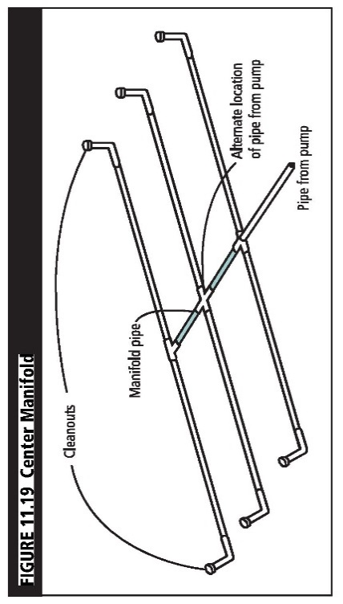 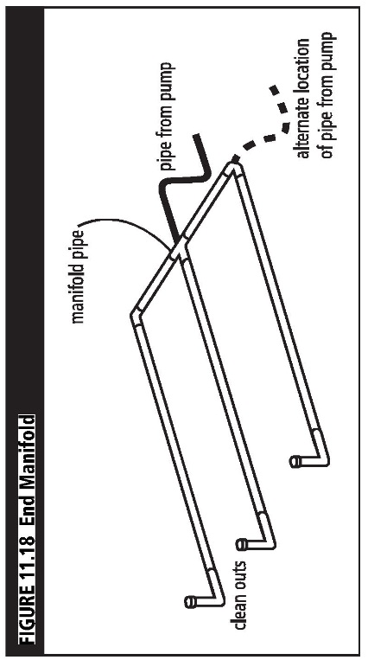 * Manifold Position - See images below from the Manual for Septic System Professionals in Minnesota. If a center manifold design is utilized, then there must be an even number of laterals.

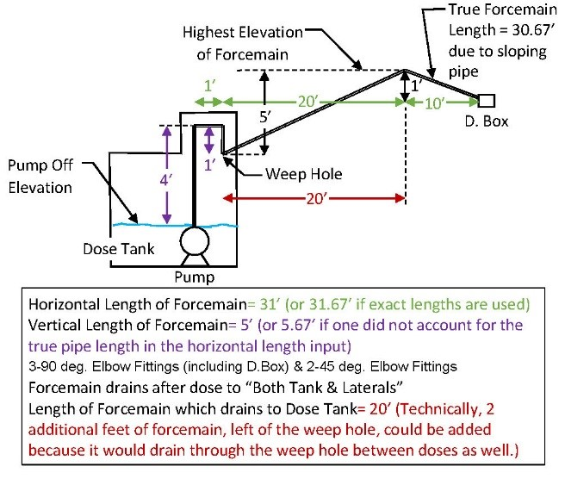
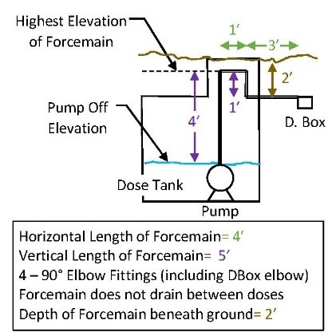
 |  | Example 3
* Lateral Spacing Along Manifold (ft) - This is the horizontal distance between laterals along the manifold in feet. | Example 1
* Lateral Size (in) - Please select the nominal diameter of the laterals in inches. Notice that maximum and minimum values are restricted per IAC 6-8.3-78(k). It should also be noted that this spreadsheet uses the actual diameter of the pipe to calculate friction, not the nominal diameter. The actual diameters were obtained per pressure pipe type by subtracting the ASTM average pipe wall thickness from the ASTM average outside diameter.

* Lateral Length (ft) - This is the planimetric or longitudinal length of one lateral in feet. All laterals must be equal in length in order for the spreadsheet to perform correctly.
...
 | Example 2 |  | Example 4
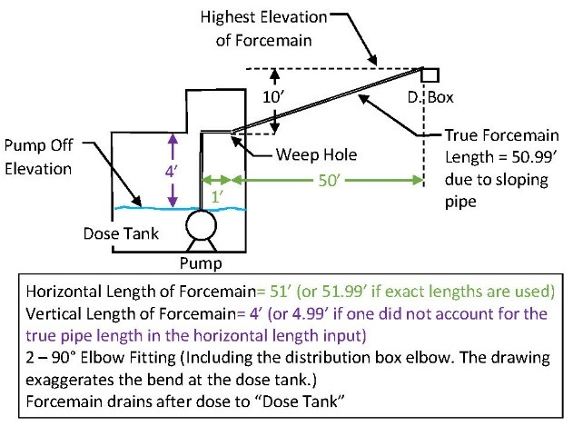
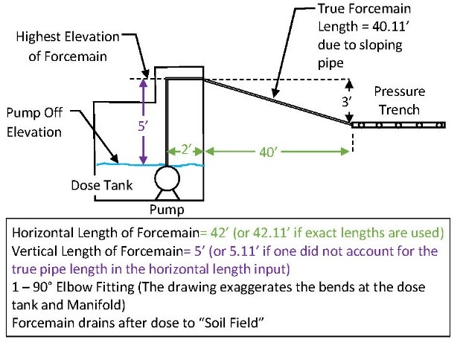
...
6. The answer to all of the following three questions must be "Yes" for the spreadsheet to be used:
"Is the Pump Curve current with the pump manufacturer's website?"
This spreadsheet calculates the operating point, which is based upon the pump performance curve.
Therefore, it's important that the curve is current with the manufacturer's website. The Sump and Sewage
Pump Manufacturers Association lists many manufacturer's websites here:
http://www.sspma.org/members/
The curve shown in the graph must have the same values & characteristics as the manufacturer's pump
curve. It is up to the user to verify this criteria.
"Is the Pump Curve not excessively wavy?
This spreadsheet fits a 5th order polynomial curve to 7 data points. If the data points are input incorrectly or
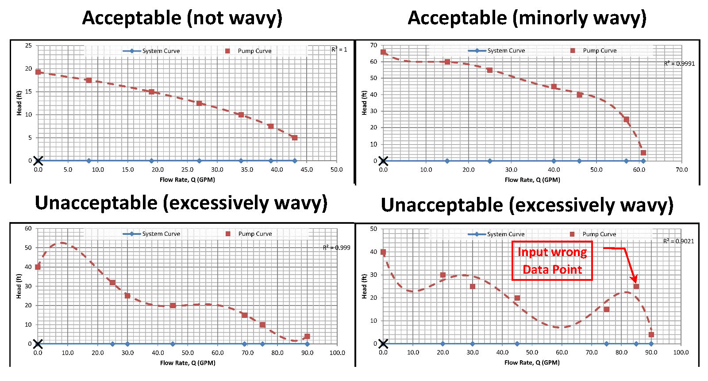
the curve is obscure, then best fit line may look wavy. It is important that the curve does not look wavy. Here
are some examples:

"Is the R2 value greater than 0.97?
The R2 value is shown in the upper right-hand side of the graph. This number describes how well the curve
fits the data points. 1.0 is a perfect fit. Anything less than 0.97 is unacceptable.

7. The dashed red line on the graph, pump performance curve, is a best fit to the supplied pump data. The spreadsheet fits a 5th order polynomial to the data. The quality of the fit can be seen by the R2 term. The closer the R2 term to 1.0, the more accurate the fit. If the graph looks obscenely incorrect, then this spreadsheet should not be used. The blue line, system curve, is a graphical way to represent how the distribution system resists the movement of effluent. The Operating Point occurs at the intersection of the pump performance curve and the system curve. One given pump with one given force main geometry will only operate at the operating point, unless a throttling valve or controls vary the speed of the pump. The spreadsheet uses the operating point to verify most of the checks on this spreadsheet. If the operating point does not look correct, then do not use this spreadsheet to calculate the operating point.

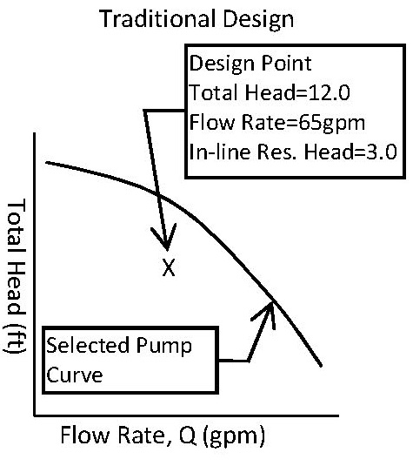 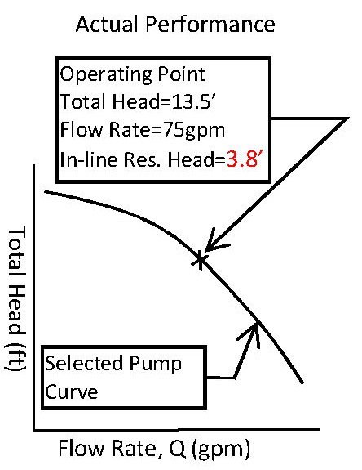 It is important to note that the in-line residual head, aka operating pressure, is not automatically 3'. The in-line residual head is a result of the operating flow rate and the number/size of holes. Therefore, if 3' of in-line residual head is desired, then it must be written into the geometry of the pressure distribution system & the operating flow rate. If the operating point is not obtained, then the initial in-line residual head is not certain. The graphs below illustrate this explanation.

8. IAC 6-8.3-78(d) & 78(f)(2) define the required daily design flow (DDF) + drainback volume. It is based upon the soil loading rate, the number of bedrooms the dosing pump serves (@150 gal per bedroom, with a minimum of 450 gallons, per St. Joe. Co. Ordinance) & by the drainback volume. The DDF is quater dosed if the soil loading rate is 1.2 gpd/S.F., otherwise the full DDF is applied. This spreadsheet accounts for the drainback volume based upon answers to the "Where does the force main drain between doses?" question. Whatever drains back into the dosing tank is added to the DDF to determine the required dose volume. Sand connectors may require custom doasge amounts. It may be difficult to achieve 100% accuracy on this criteria, because of tank sizes & float accuracy. Therefore, a buffer range of 10% will be accepted by St. Joseph County.
...
16. Item 16 checks for an unwritten guidance used in Indiana which states, "the dose volume should be greater than 7 times the lateral volume". This is taken from Otis' "Design of Pressure Distribution Networks for Septic Tank-Soil Absorption Systems" where he recommends that the dose volume be greater than 5-10 times the volume of the laterals to adequately pressurize the lines.

17. Item 17 is a general rule of thumb. It is generally better for a pump to operate in the middle of a pump performance curve . When a pump operates at an extremity of it's operating range, then its efficiency is reduced, the life span can be reduced, and there is potential for cavitation or for the pump to shut off. A design where the pump operates in the outer 10% of its operating range should consider redesign. Below, is a diagram to understand how this item is ranked.

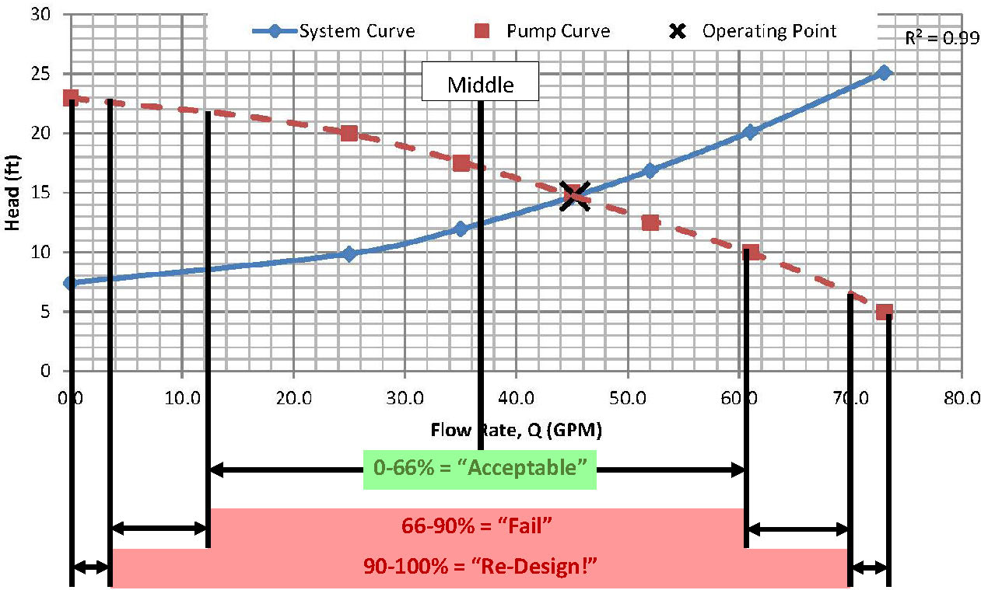

18. Item 18 is a general rule of thumb which should be verified with the pump manufacturer. The pump run time is calculated by the time it takes at the designed flow rate of the pump to drain the dosing tank from the pump on elevation to the pump off elevation. Generally, it is desired for pumps to run of at least ten minutes at a time because it is easier on the motor and pump. If the runtime is less than 10 minutes, then we recommend verifying that the manufacturer approves this design. The pump run time can be changed by changing the dosing tank geometry, pump on and off elevations, and the operating flow rate.

