Design Check
 |  |  |  |  | St. Joseph County Health Department

 |  |  |  |  | “Promoting physical and mental health and facilitating the prevention
 |  |  |  |  | of disease, injury and disability for all St Joseph County residents”

Property Address: |  |  |  |  |  |  |  | Permit #:

Accept user agreement on 'Read Me First' worksheet to Proceed |  |  |  |  |  |  |  |  |  | To enter custom pump data, select pump make as 'Other:'
1. Select the previously designed dosing pump. If the pump is not on the list, then select "other" as make and model and manually fill out the "Other Pump Curve" table to the right.

Make: |  |  |  |  | Model:
2. Fill out previously designed force main geometry below:
 |  | Force Main Diameter (in):
 |  | Horizontal Length of Force Main (ft):
 |  | Vertical Length of Force Main (ft):
 |  | Pump Off Elevation (ft):
 |  | Pump On Elevation (ft):
 |  | Top of Pump Elevation (ft):
 |  | Highest Elevation of Force Main (ft):
 |  | Pressure PVC or ABS Pipe Type:
Where does Force Main drain after dose?

3. Fill out previously designed force main fitting schedule table below. The table assumes the fitting is same size of the force main. If custom fitting/equivalent lengths are desired, then select "Other" under fitting type:

Type of Fitting |  |  | No. of Fittings | Equiv. Length per Fitting(ft)
 |  |  |  | 0.0
 |  |  |  | 0.0
 |  |  |  | 0.0
 |  |  |  | 0.0
 |  |  |  | 0.0
Total Equivalent Length of Straight Pipe Due to Fitting Friction Losses (ft) = |  |  |  |  |  |  |  | 0
4. Describe the dosing tank geometry: |  |  |  |  | Input Tank Data
5. How many bedrooms does the pump serve?
6. Is the Pump Curve (shown below) current with the manufacturer's website? And is the curve not excessively wavey? And is the R2 value (shown on graph) greater than 0.97? See "Help" tab for detailed explanation. |  |  |  |  |  |  |  | Response

Accept user agreement on 'Read Me First' worksheet to Proceed

 |  |  |  |  |  |  |  |  |  | Total System Head (ft) = Elevation Head (ft) + Friction Head (ft)
 |  |  |  |  |  |  |  |  |  | Total System head (ft) = | 0.00 | (ft) | + | 0.000 | x Q1.85, where Q (gpm)

 | Pump & System Curves
 | Pump Head (ft) |  | 0.0 | 0.0 | 0.0 | 0.0 | 0.0 | 0.0 | 0.0
 | System Head (ft) |  | 0.0 | 0.0 | 0.0 | 0.0 | 0.0 | 0.0 | 0.0
 | Flow Rate (gpm) |  | 0.0 | 0.0 | 0.0 | 0.0 | 0.0 | 0.0 | 0.0
7. Operating Point |  |  | Q (GPM) = | 0.0 |  | Head (ft) = | 0.0

Accept user agreement on 'Read Me First' worksheet to Proceed
 |  | 0 |  | 0 | CHECKED BY:
8. Does the dosing pump apply DDF in one dose? |  |  |  |  | N/A | Dose (gal) = | 0gal | Req. Dose* = | N/A
9. Does the dosing pump operate at a flow rate within the required Daily Design Flow Rate? |  |  |  |  | N/A | Min. Required DDF (gpm) = |  |  | 0
 |  |  |  |  |  | Max. Required DDF (gpm) = |  |  | 0
10. Is the effluent velocity between 2-5 ft/s? |  |  |  |  | N/A | Effluent Velocity (ft/s) = |  |  | 0.00
11. Will the pump always be submerged? |  |  |  |  | N/A
12. Is effluent protected from freezing? |  |  |  |  | N/A
* The required dose is equal to the DDF (Daily Design Flow) to the soil absorption field (IAC 6-8.3-12) + the drainback volume of force main, if applicable. See the "Help" page for more info.

Accept user agreement on 'Read Me First' worksheet to Proceed
13. Check the position of the operating point within the pump performance curve. It shouldn't be near an extremety. |  |  |  |  | N/A | Pump operates within the middle xx% of the performance curve (%)= |  |  | N/A

14. Is the pump run time ≥ than 1 minute? |  |  |  |  | N/A | Pump run time (min) = |  |  | 0.00

SEPTIC DESINGERS ONLY (FILL OUT BEFORE SUBMITTING TO ST. JOE. CO.) |  |  |  |  |  |  |  | YES | NO
Septic & Dosing Tanks are designed in accordance with 410 IAC 6-8.3-61,62,63:
Junction boxe(s) will be located outside the dosing tank & riser:
Each Dose Tank will be equipped with an audible and visual alarm on a separate circuit from the pump: |  |  |  |  |  |  |  |  |  |  |  |  |  |  |  |  | Make | Model | Shut-off Head (ft) | Max Flow (GPM) | Head (ft) |  |  |  |  |  |  | Flow Rate (gpm)
 |  |  |  |  |  |  |  |  |  |  |  |  |  |  |  |  |  |  |  |  | H1 | H2 | H3 | H4 | H5 | H6 | H7 | Q1 | Q2 | Q3 | Q4 | Q5 | Q6 | Q7
 |  |  |  |  |  |  |  |  |  |  |  |  |  |  |  |  | AY McDonald | 404011EF | 41 | 80.0 | 41.0 | 30.0 | 25.5 | 20.0 | 14.0 | 10.0 | 3.0 | 0.0 | 28.0 | 40.0 | 54.0 | 64.0 | 70.0 | 80.0
 |  |  |  |  |  |  |  |  |  |  |  |  |  |  |  |  | AY McDonald | 404011EFA | 41 | 80.0 | 41.0 | 30.0 | 25.5 | 20.0 | 14.0 | 10.0 | 3.0 | 0.0 | 28.0 | 40.0 | 54.0 | 64.0 | 70.0 | 80.0
Designer's Signature |  |  |  |  |  |  |  | Date |  |  |  |  |  |  |  |  | AY McDonald | 405011EF | 51 | 92.0 | 51.0 | 40.0 | 34.0 | 28.0 | 22.0 | 16.0 | 7.0 | 0.0 | 28.0 | 44.0 | 58.0 | 70.0 | 80.0 | 92.0
 |  |  |  |  |  |  |  |  |  |  |  |  |  |  |  |  | AY McDonald | 405011EFA | 51 | 92.0 | 51.0 | 40.0 | 34.0 | 28.0 | 22.0 | 16.0 | 7.0 | 0.0 | 28.0 | 44.0 | 58.0 | 70.0 | 80.0 | 92.0
 |  |  |  |  |  |  |  |  |  |  |  |  |  |  |  |  | AY McDonald | 405012EF | 51 | 92.0 | 51.0 | 40.0 | 34.0 | 28.0 | 22.0 | 16.0 | 7.0 | 0.0 | 28.0 | 44.0 | 58.0 | 70.0 | 80.0 | 92.0
 |  |  |  |  |  |  |  |  |  |  |  |  |  |  |  |  | AY McDonald | 405012EFA | 51 | 92.0 | 51.0 | 40.0 | 34.0 | 28.0 | 22.0 | 16.0 | 7.0 | 0.0 | 28.0 | 44.0 | 58.0 | 70.0 | 80.0 | 92.0
 |  |  |  |  |  |  |  |  |  |  |  |  |  |  |  |  | AY McDonald | 404011SJ | 18 | 100.0 | 18.0 | 16.0 | 14.0 | 12.0 | 10.0 | 8.0 | 5.0 | 0.0 | 16.0 | 32.0 | 52.0 | 70.0 | 84.0 | 100.0
 |  |  |  |  |  |  |  |  |  |  |  |  |  |  |  |  | AY McDonald | 404011SJA | 18 | 100.0 | 18.0 | 16.0 | 14.0 | 12.0 | 10.0 | 8.0 | 5.0 | 0.0 | 16.0 | 32.0 | 52.0 | 70.0 | 84.0 | 100.0
 |  |  |  |  |  |  |  |  |  |  |  |  |  |  |  |  | AY McDonald | 405011SJ | 25.3 | 140.0 | 25.3 | 22.3 | 18.8 | 16.2 | 14.0 | 10.0 | 5.0 | 0.0 | 24.0 | 48.0 | 68.0 | 84.0 | 114.0 | 140.0
 |  |  |  |  |  |  |  |  |  |  |  |  |  |  |  |  | AY McDonald | 405011SJA | 25.3 | 140.0 | 25.3 | 22.3 | 18.8 | 16.2 | 14.0 | 10.0 | 5.0 | 0.0 | 24.0 | 48.0 | 68.0 | 84.0 | 114.0 | 140.0
 |  |  |  |  |  |  |  |  |  |  |  |  |  |  |  |  | AY McDonald | 405012SJ | 25.3 | 140.0 | 25.3 | 22.3 | 18.8 | 16.2 | 14.0 | 10.0 | 5.0 | 0.0 | 24.0 | 48.0 | 68.0 | 84.0 | 114.0 | 140.0
 |  |  |  |  |  |  |  |  |  |  |  |  |  |  |  |  | AY McDonald | 405012SJA | 25.3 | 140.0 | 25.3 | 22.3 | 18.8 | 16.2 | 14.0 | 10.0 | 5.0 | 0.0 | 24.0 | 48.0 | 68.0 | 84.0 | 114.0 | 140.0
 |  |  |  |  |  |  |  |  |  |  |  |  |  |  |  |  | AY McDonald | 405032SJ | 25.3 | 140.0 | 25.3 | 22.3 | 18.8 | 16.2 | 14.0 | 10.0 | 5.0 | 0.0 | 24.0 | 48.0 | 68.0 | 84.0 | 114.0 | 140.0
 |  |  |  |  |  |  |  |  |  |  |  |  |  |  |  |  | AY McDonald | 405034SJ | 25.3 | 140.0 | 25.3 | 22.3 | 18.8 | 16.2 | 14.0 | 10.0 | 5.0 | 0.0 | 24.0 | 48.0 | 68.0 | 84.0 | 114.0 | 140.0
 |  |  |  |  |  |  |  |  |  |  |  |  |  |  |  |  | AY McDonald | 407511SJ | 24.4 | 200.0 | 24.4 | 21.6 | 19.0 | 16.0 | 14.0 | 10.0 | 5.0 | 0.0 | 40.0 | 80.0 | 110.0 | 130.0 | 165.0 | 200.0
 |  |  |  |  |  |  |  |  |  |  |  |  |  |  |  |  | AY McDonald | 407512SJ | 24.4 | 200.0 | 24.4 | 21.6 | 19.0 | 16.0 | 14.0 | 10.0 | 5.0 | 0.0 | 40.0 | 80.0 | 110.0 | 130.0 | 165.0 | 200.0
 |  |  |  |  |  |  |  |  |  |  |  |  |  |  |  |  | AY McDonald | 407532SJ | 24.4 | 200.0 | 24.4 | 21.6 | 19.0 | 16.0 | 14.0 | 10.0 | 5.0 | 0.0 | 40.0 | 80.0 | 110.0 | 130.0 | 165.0 | 200.0
 |  |  |  |  |  |  |  |  |  |  |  |  |  |  |  |  | AY McDonald | 407534SJ | 24.4 | 200.0 | 24.4 | 21.6 | 19.0 | 16.0 | 14.0 | 10.0 | 5.0 | 0.0 | 40.0 | 80.0 | 110.0 | 130.0 | 165.0 | 200.0
 |  |  |  |  |  |  |  |  |  |  |  |  |  |  |  |  | AY McDonald | 410012SJ | 29.7 | 235.0 | 29.7 | 26.5 | 22.4 | 17.3 | 13.8 | 11.0 | 5.0 | 0.0 | 50.0 | 100.0 | 150.0 | 180.0 | 200.0 | 235.0
 |  |  |  |  |  |  |  |  |  |  |  |  |  |  |  |  | AY McDonald | 410032SJ | 29.7 | 235.0 | 29.7 | 26.5 | 22.4 | 17.3 | 13.8 | 11.0 | 5.0 | 0.0 | 50.0 | 100.0 | 150.0 | 180.0 | 200.0 | 235.0
 |  |  |  |  |  |  |  |  |  |  |  |  |  |  |  |  | AY McDonald | 410034SJ | 29.7 | 235.0 | 29.7 | 26.5 | 22.4 | 17.3 | 13.8 | 11.0 | 5.0 | 0.0 | 50.0 | 100.0 | 150.0 | 180.0 | 200.0 | 235.0
 |  |  |  |  |  |  |  |  |  |  |  |  |  |  |  | 1 | Barnes | SP33 | 30.2 | 49.7 | 30.2 | 22.1 | 17.1 | 12.8 | 10.6 | 8.3 | 5.2 | 0.0 | 20.0 | 29.8 | 37.6 | 41.4 | 45.0 | 49.8
 |  |  |  |  |  |  |  |  |  |  |  |  |  |  |  | 2 | Barnes | SP50 | 29.8 | 65.5 | 29.8 | 26.0 | 20.5 | 16.3 | 10.4 | 9.5 | 6.0 | 0.0 | 11.8 | 28.5 | 41.3 | 57.5 | 59.5 | 65.5
 |  |  |  |  |  |  |  |  |  |  |  |  |  |  |  | 3 | Barnes | SP75 | 32.5 | 80.0 | 32.5 | 27.5 | 22.6 | 18.2 | 15.7 | 12.2 | 5.3 | 0.0 | 29.7 | 45.4 | 55.6 | 61.4 | 67.5 | 80.0
 |  |  |  |  |  |  |  |  |  |  |  |  |  |  |  | 4 | Barnes | EHV | 44.7 | 48.0 | 44.7 | 36.3 | 32.0 | 25.2 | 19.6 | 14.6 | 4.6 | 0.0 | 16.6 | 24.6 | 33.7 | 38.6 | 42.3 | 48.0
 |  |  |  |  |  |  |  |  |  |  |  |  |  |  |  | 5 | Barnes | BP | 30 | 64.7 | 30.0 | 26.7 | 23.8 | 19.3 | 13.7 | 9.7 | 5.2 | 0.0 | 15.8 | 31.7 | 45.7 | 54.7 | 59.8 | 64.7
...

Help
...
DETAILED EXPLANATION BY ITEM NUMBER
1. Select a pump make and model using the pull down arrow. This spreadsheet utilized pre-programmed pump curve data (located on the "Lookup Tables" worksheet). The pre-programmed pump curves were taken from company websites as of September 2013. If the data appears incorrect or you want another pump that is not listed, simply select "Other:" and manually enter the pump curve data in the table to the right. If you select "Other:", then be sure to fill out all the information that is required in tan.

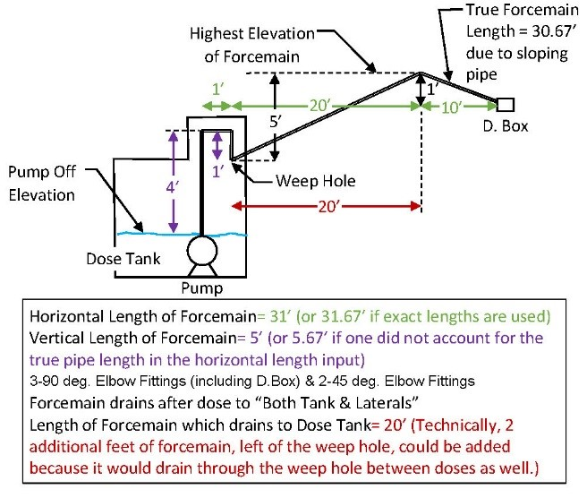
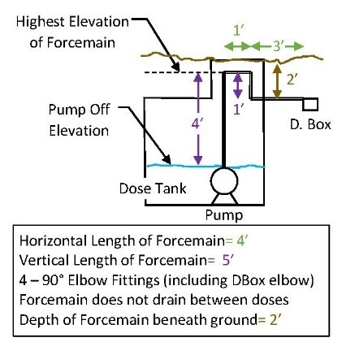
 |  | Example 3
2. Forcemain Geometry Data | Example 1
* Forcemain Size (in) - Please select the diameter of the forcemain in inches. Notice that maximum and minimum values are restricted per IAC 6-8.3-76(g). It should also be noted that this spreadsheet uses the actual diameter of the pipe to calculate friction, not the nominal diameter. The actual diameters were obtained per pressure pipe type by subtracting the ASTM average pipe wall thickness from the ASTM average outside diameter.

* Horizontal Length of Forcemain (ft) - This is the planimetric or longitudinal length of forcemain in feet. For example, the length from the dose pump to the distribution box or manifold. If the pipe is sloped sharply, then the true pipe length will be longer than the horizontal length. The user can input the true pipe length here or add it into the vertical length value. See pictures to the right.

* Vertical Length of Force Main (ft) - This is the vertical distance the effluent has to travel. See examples to the right. It could be the veritical length from the pump to the highest elevation of the forcemain in the dose tank.

* Pump Off Elevation - This is the elevation at which the pump float signals the pump to turn off. It should not be below the top of the pump so as to prevent the pump from overheating & corrosion.

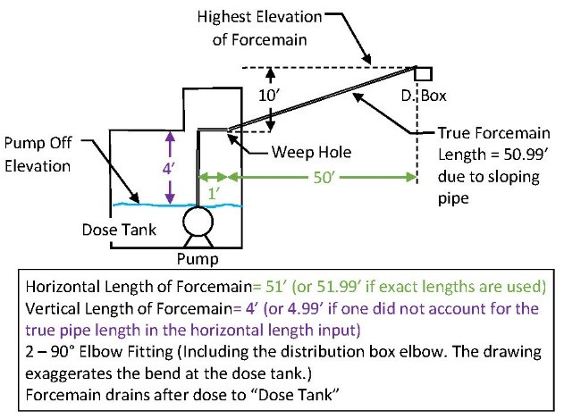
* Pump On Elevation - This is the elevation at which the pump float signals the pump to turn on. | Example 2
* Top of Pump Elevation - This is the elevation of the top of the pump. The "Pump Off" elevation should not be below the top of the pump, otherwise the pump could overheat.
* Highest Elevation of Force Main (ft) - This is the highest elevation the force main experiences. It could be the distribution box or a high point between the dosing pump and the distribution box. |  | Example 4
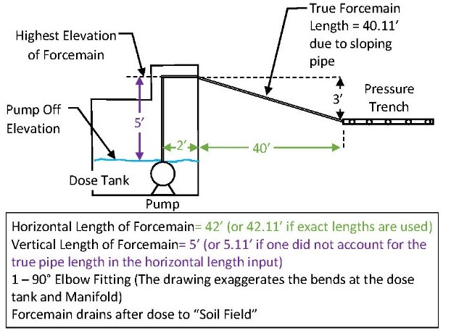
* Pipe Material - Please select one of the available options per IAC 6-8.3-67(a)(2). Only pressure rated pipe should be allowed.

* Where does Force Main Drain after dose - Please select one of the available options. This information tells the spreadsheet how much drainback volume is needed. If the force main peaks between the dose tank and the distribution network, then select "both tank & laterals" and enter the length of force main which drains back into the dose tank. If the force main does not drain (no weep hole is placed in the dose tank), then enter the data into the county prompt and depth of force main prompt. The forcemain should drain back to the dosing tank after the pump shuts off to prevent the effluent from freezing if the forcemain will be placed above the frost peneration line. If the entire forcemain is installed beneath the frost penetration line, then it does not need to drain into the dosing tank. See IAC 6-8.3 Table VIII for frost penetration depths per county.

* (If forcemain does not drain) County system is built within - Specify the county that the system will be installed within.
* (If forcemain does not drain) Depth of force main beneath ground - This is the shallowest depth that the forcemain will be placed beneath the finished ground elevation. This value is expressed in feet. If the forcemain does not drain into the dosing tank, then this value will be used to ensure the forcemain is beneath the frost penetration line.

3. List all force main fittings in this table, including fittings within dosing pump tank and the distribution box. Select the fitting type from the pull down arrow and enter the number of that specific fitting that will be placed in the force main. This table assumes the fitting size is the same as the forcemain size. If another type of fitting is desired which is not available from the pull down arrow, then select "Other". After selecting "Other", cells will appear to the right of the table. To fill out the "Other" fitting table manually, enter the equivalent length due to friction that the manufacturer has specified. 22.5 & 11.25 degree bends can be conservatively estimated as 45 degree bends. See IAC 6-8.3 Table X for values of equivalent lengths per fitting.
...
6. The answer to all of the following three questions must be "Yes" for the spreadsheet to be used:
"Is the Pump Curve current with the pump manufacturer's website?"
This spreadsheet calculates the operating point, which is based upon the pump performance
curve. Therefore, it's important that the curve is current with the manufacturer's website. The
Sump and Sewage Pump Manufacturers Association lists many manufacturer's websites here:
http://www.sspma.org/members/
The curve shown in the graph must have the same values & characteristics as the manufacturer's
pump curve. It is up to the user to verify this criteria.
"Is the Pump Curve not excessively wavy?
This spreadsheet fits a 5th order polynomial curve to 7 data points. If the data points are input
incorrectly or the curve is obscure, then best fit line may look wavy. It is important that the curve
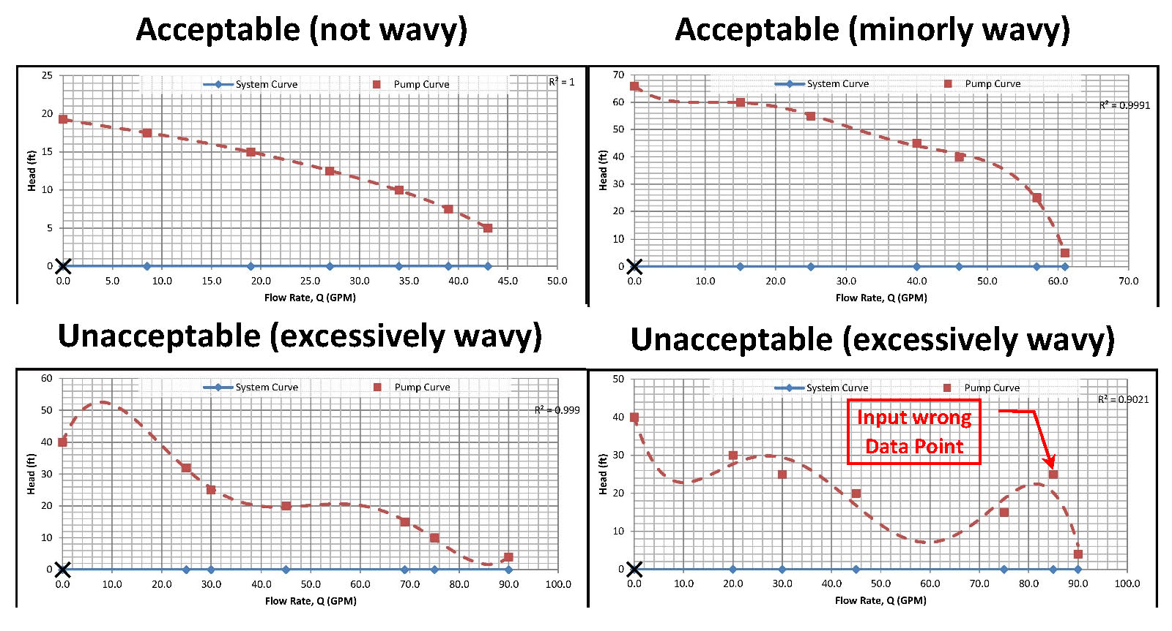
does not look wavy. Here are some examples:

"Is the R2 value greater than 0.97?
The R2 value is shown in the upper right-hand side of the graph. This number describes how well
the curve fits the data points. 1.0 is a perfect fit. Anything less than 0.97 is unacceptable.

7. The dashed red line on the graph, pump performance curve, is a best fit to the supplied pump data. The spreadsheet fits a 5th order polynomial to the data. The quality of the fit can be seen by the R2 term. The closer the R2 term to 1.0, the more accurate the fit. If the graph looks obscenely incorrect, then this spreadsheet should not be used. The blue line, system curve, is a graphical way to represent how the force main to resists the pump. The Operating Point occurs at the intersection of the pump performance curve and the system head curve. One given pump with one given forcemain geometry will only operate at the operating point, unless a throttling valve or controls vary the speed of the pump. The spreadsheet uses the operating point to verify most of the checks on this spreadsheet. If the operating point does not look correct, then do not use this spreadsheet to calculate the operating point.
...
12. Item 12 applies IAC 6-8.3-76(d) requiring that the effluent either drain into the dosing tank, D-box or remain beneath the frost line. IAC 6-8.3 Table VIII specifies the frost penetration depth per county. 20. If a force main drains into the dose tank or soil absorption field, then it is protected from freezing.

13. Item 13 is a general rule of thumb. It is generally better for a pump to operate in the middle of a pump performance curve . When a pump operates at an extremity of it's operating range, then its efficiency is reduced, the life span can be reduced, and there is potential for cavitation or for the pump to shut off. A design where the pump operates in the outer 10% of its operating range should consider redesign. Below, is a diagram to understand how this item is ranked.

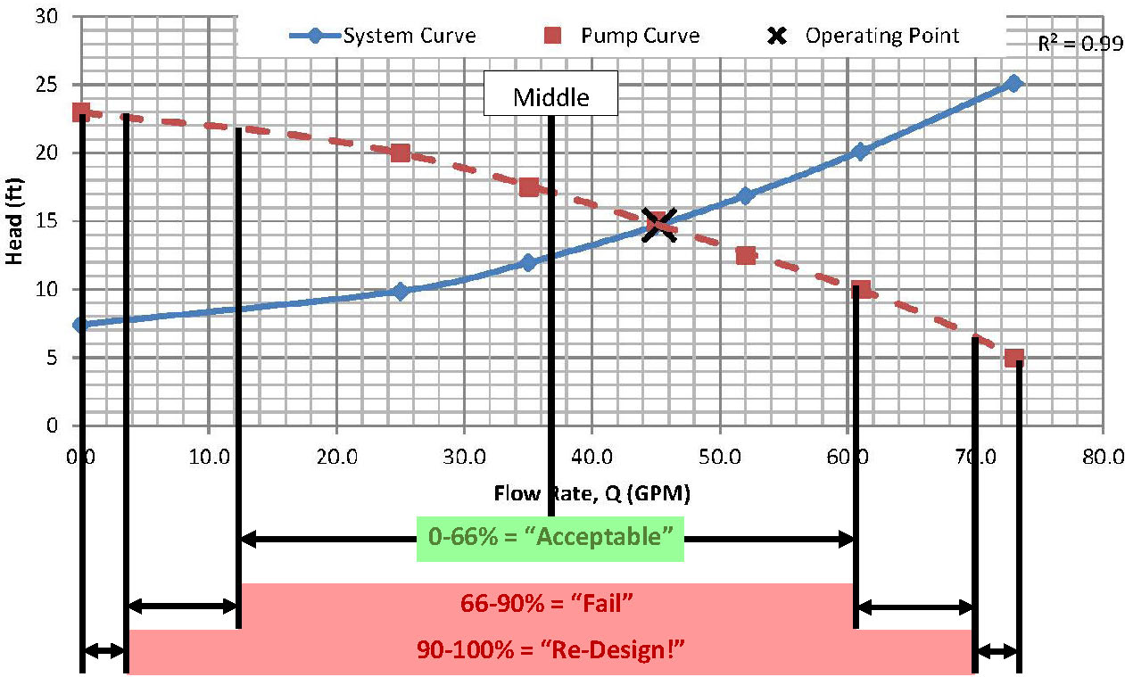

14. Item 14 is a general rule of thumb which should be verified with the pump manufacturer. The pump run time is calculated by the time it takes at the designed flow rate of the pump to drain the dosing tank from the pump on elevation to the pump off elevation. Generally, it is desired for pumps to run of at least ten minutes at a time because it is easier on the motor and pump. If the runtime is less than 10 minutes, then it is recommend to verify that the manufacturer approves this design. St. Joseph County requires the run time to be greater than or equal to 1 minute. The pump run time can be changed by changing the dosing tank geometry, pump on and off elevations, and the operating flow rate.

