Introduction
Indiana Technical Reference Manual Workbook v1.0
This workbook is intended to be used as an accompaniment to Version 10.0 of the Illinois Technical Reference Manual (IL v10 TRM), which can be accessed via the Illinois Energy Efficiency Stakeholder Advisory Group at:

https://www.ilsag.info/technical-reference-manual/il-statewide-technical-reference-manual-version-10-0/
Note that a formal Overview and User Guide can be found at the above site, for those interested in additional background information.

This product is the outcome of a collaborative development process carried out by the Indiana TRM Committee. Member organizations include: AES Indiana, CenterPoint Energy, Citizens Action Coalition, Duke Energy Indiana, Indiana Michigan Power, NIPSCO, Indiana Office of Utility Consumer Counselor, and the Indiana Utility Regulatory Commission.

The Indiana TRM Committee agreed to use the IL v10 TRM as the basis for the methodologies, algorithms and assumptions required to calculate electric and gas savings from Indiana's energy efficiency program measures. This file provides the key adjustments to the Illinois assumptions that are deemed appropriate to be made to better reflect the Indiana market, participants and programs. Additionally, this workbook contains a selection of measures not found in IL v10 TRM, which are detailed lower on this page.

The Indiana TRM Committee also agreed to continue to allow third-party evaluators, upon their discretion, to use participant survey responses to refine inputs into TRM algorithms. These primary research inputs more likely provide a more accurate estimation of algorithm inputs used to quantify measure and/or program savings.

Of the almost 250 efficiency measures characterized within the IL v10 TRM, a subset of 50 were identified by stakeholders as the highest priority for review, and this workbook contains an individual tab for each of those 50 measures. The Table of Contents can be used to navigate both to the appropriate section of the IL v10 TRM and also to the tab containing proposed Indiana edits. The applicable section within the measure characterization is listed together with the proposed Indiana updates.

In addition, since many Commercial measures within the IL v10 TRM reference various energy codes as the source of baseline assumptions, and Indiana is subject to different code requirements, in addition to these differences being listed within each applicable measure tab, an additional tab "Code Baseline Measures" provides the recommendation for the appropriate code to use for all relevant measures.

Raw data files and intermediary workbooks supporting the content found within this workbook can be accessed via the SharePoint site for this initiative.

This Indiana Technical Reference Manual Workbook v1.0 shall automatically incorporate the most recent final and effective version of the IL TRM, including measures newly added to the IL TRM. Indiana-specific assumptions reflected in this workbook shall be maintained, regardless of the IL TRM version used as the basis. Each utility’s DSM plan will use the IL TRM version that took effect not more than 20 months prior to the DSM plan filing date. It is contemplated that this Workbook will be revisited every 3-5 years to ensure the IL TRM updates can be logically reconciled with and reflected in this Workbook.

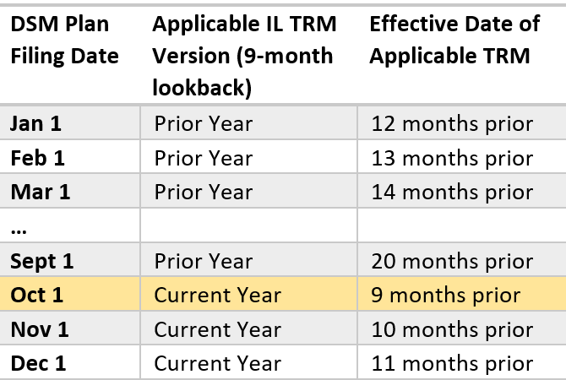

IMPORTANT: ALL measures should use weather input assumptions based on the guidance outlined on the "Weather Zone Mapping" sheet. Additionally, loadshapes referenced in the IL v10 TRM were developed to align with NIPSCO and I&M definitions and are tabulated on the "Loadshapes" sheet. Wherever possible, coincident peak demand factors (CF) listed in the IL v10 TRM should be ignored, and instead referred to based on the corresponding loadshape in the "Loadshapes" sheet.

Additional measures not found in IL v10 TRM

This workbook includes additional measures (not in IL v10 TRM) adjusted and updated for Indiana, including:

Newly Developed Measure:
4.7.13 Compressed Air Leak Repair

New measure offerings, sourced from Illinois v11 TRM:
Commercial:
4.4.56 Commercial Duct Sealing
4.4.57 Condensate Recovery System
4.4.58 Steam Trap Monitoring System
4.4.59 Ductless Heat Pump
4.4.61 Chiller Condenser Water Temperature Reset
4.4.62 Cooling Tower Water Side Economizer
4.8.27 C&I Air Sealing
4.8.28 High Speed Overhead Doors
4.8.29 Dock Door Seals and Shelter
4.8.30 Commercial Wall Insulation

Residential:
5.1.14 Residential Induction Cooktop
5.1.15 Residential Bolt-On Smart Dryer Sensor
5.2.3 ENERGY STAR Televisions
5.3.21 Air Handler Filter Cleaning/Replacement
5.4.12 Recirculating Pump Controls
5.5.13 EISA Exempt LED Lighting
5.6.9 Insulated Cellular Shades
5.6.10 Multifamily Whole Building Aerosol Sealing
5.7.4 Heat Pump Swimming Pool Heater

User Guide & Example
The Indiana TRM Workbook developed by VEIC is best described as change log that identifies where and how Indiana-specific considerations and assumptions should be substituted into the IL v10 TRM Volumes (or V11 for the additional measures noted in the Table of Contents). It is not designed to be used as a standalone document, but rather in conjunction with the publicly available Illinois TRM Volumes. All sections, subsections and measure numbers within this document align with those found in the IL v10 TRM Volumes, and within each, relevant direction is given to properly incorporate and/or substitute Indiana-specific considerations (as outlines in the Workplan Elements) into the Illinois TRM Volumes.
The following figures illustrate how this Indiana TRM Workbook is used to substitute relevant Indiana-specific assumptions into the Illinois TRM. Highlighted boxes indicate where substitutions should occur. Note that even measures that were not identified as "High Priority"- and therefore do show up in this workbooks table of contents - may need loadshape and weather-based input substitutions.

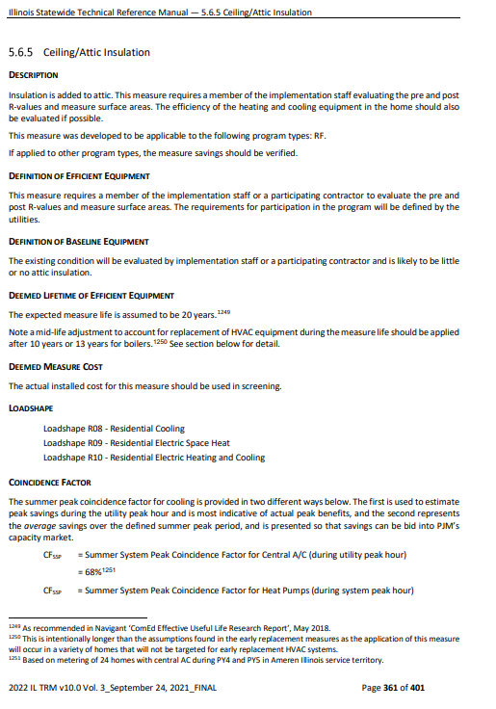
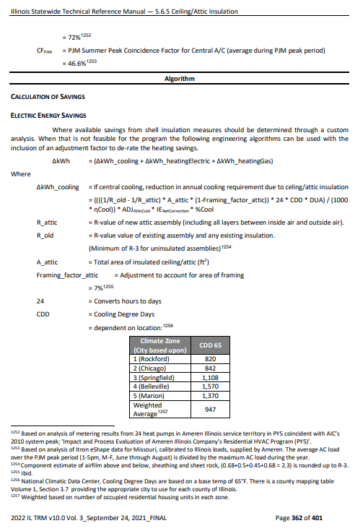
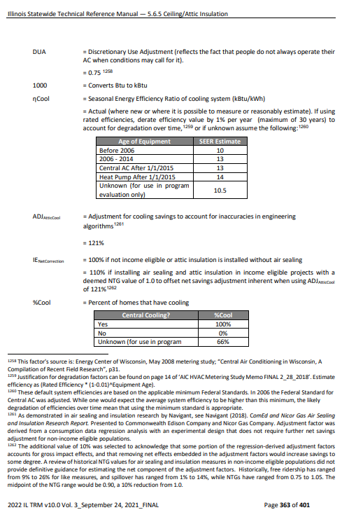
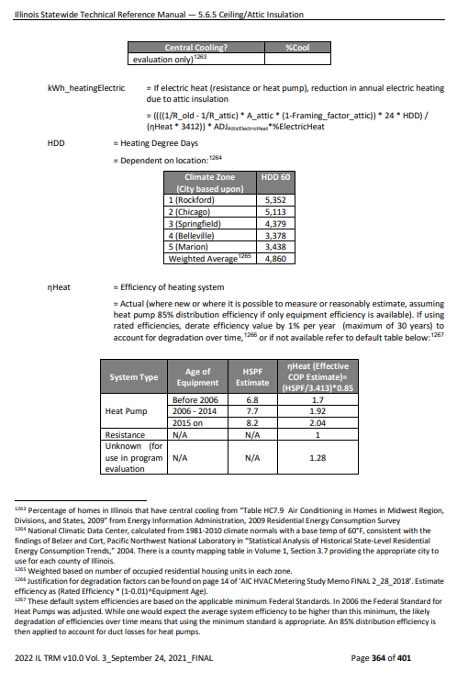
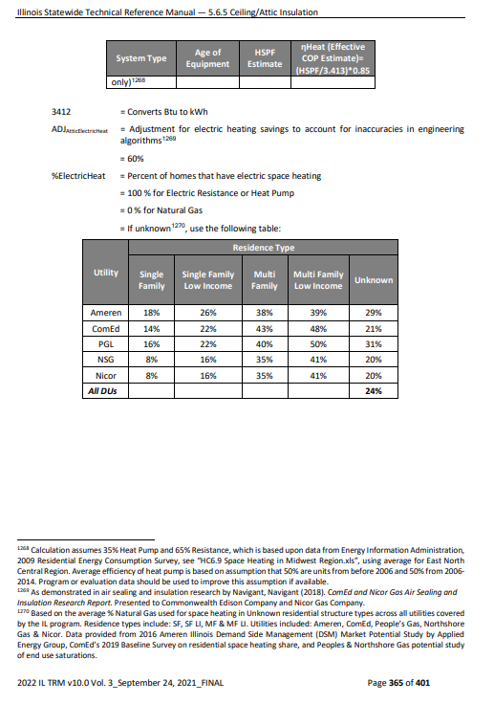
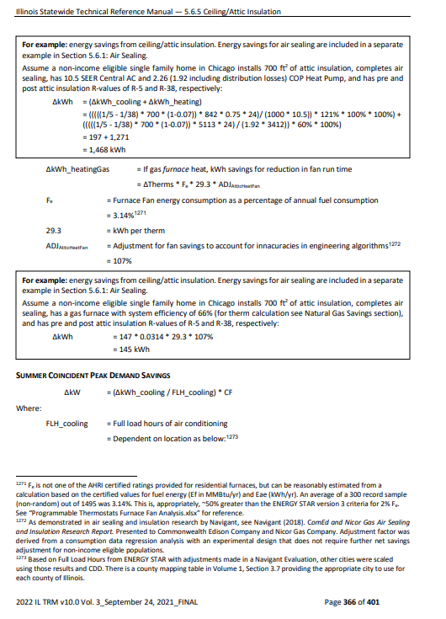
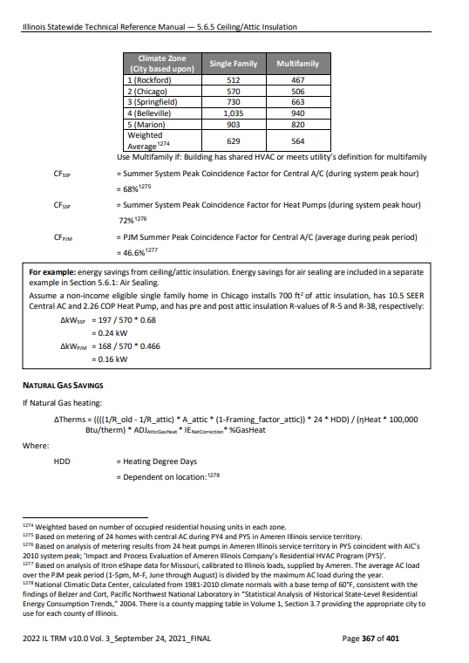
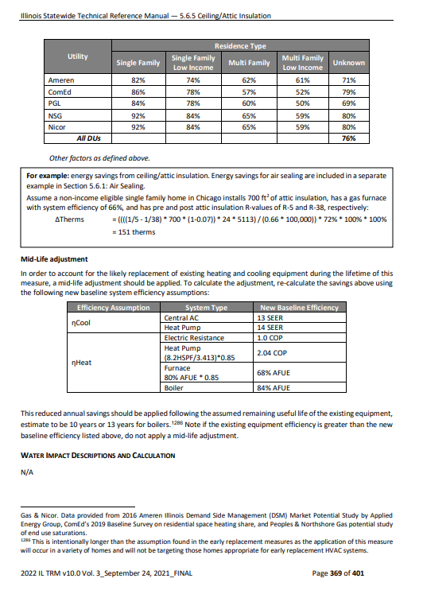
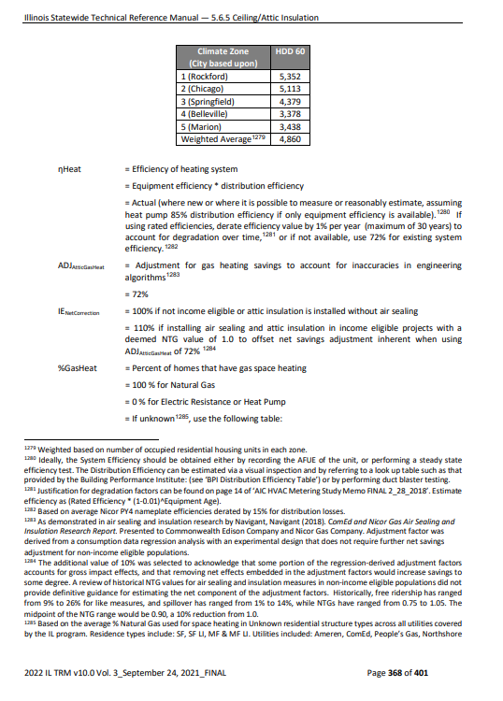

Loadshapes and corresponding Coincidence Factors are provided on the Loadshapes worksheet of this workbook. Utility-specific leadshapes should be used as appropriate. As an example, NIPSCO would use the following:

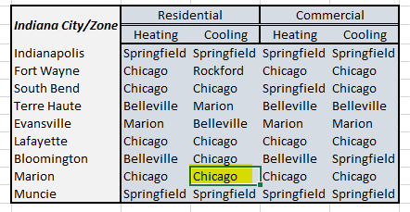
The appropriate Indiana weather zone (as repredented by City), should be chosen from the table on the Weather Zone Mapping worksheet. In this example, the corresponding Illinois city in the Residential Cooling column should be chosen - a measure within the Marion region, for example, would select CDD for Chicago.

Referring to the worksheet for this High Priority measure (screenshot at left), we find that the variable IE should be ignored, and, for the purposes of program evaluation, 52% of homes are expected to have central cooling.

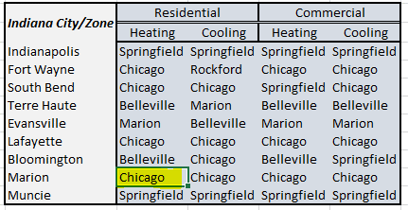
As was done for CDD above, the appropriate selection is made from the table on the Weather Zone Mapping worksheet. A measure within the Marion region, for example, would select HDD for Chicago as indicated in the Residential Heating column.

As was done above for %Cool, per the measure worksheet a value of 32% should be used in all cases when it is unknown if electric heat exists.

Using the same lookup process as CDD and HDD, the relevant Chicago based city should be selected based on how it maps according to the Residential Cooling column on the Weather Zone Mapping Table.

As above, selected based on the loadshape from the Loadshapes worksheet.

Use identical mapping as was determined prior for Residential Heating

As was noted prior, variable IE is ignored.
A value of 68% should be used in all cases when it is unknown if gas heat exists.

Commercial Code Baseline
Current Indiana State Building Energy Code relies heavily on ASHRAE 90.1-2007 for commercial buildings. As a general rule of thumb, the TRM aims to estimate the gross impact of efficiency measures, leaving net adjustments (for effects such as freeridership, etc.) to be determined and applied during program evaluation. In instances where state or local code severely lags national model codes and/or the Code of Federal Regulations, gross to net adjustments to certain measures and technology types can be extreme.
The Code of Federal Standards often follows national model code specifications, and since Federal Code dictates manufacturing practices (and therefore what can be legally sold to distributors), manufacturers are diligent about ensuring their product offerings meet current national model code and/or Code of Federal Regulations requirements. Thus, jurisdictions that recognize old versions of code run the risk of assuming a baseline that is unrealistic due to technological or efficiency advancement driven by national level codes. While net adjustments will account for these effects during evaluation, it can present great challenges for efficiency program planning and implementation, especially when impacts closer to gross numbers are expected.
Throughout the TRM Workbook, VEIC has suggested appropriate (and alternative) baselines for several commercial measures in cases where significant net adjustments should be expected if ASHRAE 90.1-2007 is taken as baseline. These are recommendations only and programs are left to decide appropriate baseline specifications considering tolerance for risk as well as ability to substantiate baseline choice.

Weather Zone Mapping
Return to Table of Contents
The following table shows how the five weather zones recognized by the IL v10 TRMshould be mapped to the nine Indiana cities of interest. Appropriate selection should be made based on whether the measure impact is related to residential heating, residential cooling, commercial heating, or commercial cooling. For example, a residential air conditioning measure installed in Terre Haute would estimate impact by assuming the Belleville, Il weather inputs for the characterization.

 | Indiana City/Zone | Residential |  | Commercial
 |  | Heating | Cooling | Heating | Cooling
 | Indianapolis | Springfield | Springfield | Springfield | Springfield
 | Fort Wayne | Chicago | Rockford | Chicago | Chicago
 | South Bend | Chicago | Chicago | Springfield | Chicago
 | Terre Haute | Belleville | Marion | Belleville | Belleville
 | Evansville | Marion | Belleville | Marion | Marion
 | Lafayette | Chicago | Chicago | Chicago | Chicago
 | Bloomington | Belleville | Chicago | Belleville | Springfield
 | Marion | Chicago | Chicago | Chicago | Chicago
 | Muncie | Springfield | Springfield | Springfield | Springfield

Mapping table was developed by comparison of likeness to the five representative Illinois weather stations (see table below). TMY3 datasets were used since they were the only available data source for the cities of interest. In keeping with the approach of the IL v10 TRM:
> residential heating comparisons were made using heating degree days with a base of 60 degrees
> residential cooling comparisons were made using cooling degree days with a base of 65 degrees
> commercial heating comparisons were made using heating degree days with a base of 55 degrees
> commercial cooling comparisons were made using cooling degree days with a base of 55 degrees
Raw data files and degree day calculations are available on SharePoint.

 |  | Residential |  | C&I
 |  | Heating | Cooling | Heating | Cooling
 |  | HDD60 | CDD65 | HDD55 | CDD55
 | Rockford | 6,080 | 980 | 4,952 | 2,254
 | Chicago | 5,271 | 1,014 | 4,188 | 2,355
 | Springfield | 4,536 | 1,330 | 3,576 | 2,910
 | Belleville | 4,361 | 1,437 | 3,386 | 2,985
 | Marion | 3,633 | 1,429 | 2,691 | 3,022

 | Indianapolis | 4,853 | 1,212 | 3,854 | 2,720
 | Fort Wayne | 5,422 | 965 | 4,358 | 2,335
 | South Bend | 4,898 | 1,068 | 3,844 | 2,475
 | Terre Haute | 4,199 | 1,399 | 3,243 | 2,981
 | Evansville | 3,624 | 1,578 | 2,743 | 3,316
 | Lafayette | 4,890 | 1,124 | 3,886 | 2,601
 | Bloomington | 4,329 | 1,126 | 3,341 | 2,629
 | Marion | 4,971 | 1,019 | 3,886 | 2,356
 | Muncie | 4,611 | 1,196 | 3,580 | 2,650

4.3.1 Water Heater
4.3.1 Water Heater
Return to Table of Contents
 | Baseline | For Time of Sale or New Construction projects, the baseline from the IL TRM Utilizes the Federal Standards for units ≤75,000 Btuh as well as IECC 2018 for all other units. This is recommended as baseline for IN as it is consistent with Federal minimum Standards (provided below). |  |  |  | Baseline | For Retrofit projects, the baseline should be the efficiency of the existing system if it is possible to measure or reasonably estimate. If unknown, assume the baseline of ASHRAE-90.1-1999 - (which is consistent with ASHRAE 90.1-2007 as provided below) which was the federal baseline level from 2003 to 2015.

 |  | Equipment Type | Sub Category | Draw Pattern | Federal Standard – Uniform Energy Factor[1] |  | Savings between existing unit and new unit should be calculated as per the TRM algorithm and claimed for the assumed remaining useful life of the existing equipment - assumed to be a third of the measure life of the existing unit as listed within the TRM. For the remaining life of the measure, savings should be claimed between a new baseline unit (of the same type as the existing) with efficiency at the current Federal Standard level, and the new efficient unit (as provided to the left).
 |  | Residential Gas Storage Water Heaters ≤75,000 Btu/h | ≤55 gallon tanks | Very small | UEF = 0.3456 – (0.0020 * Rated Storage Volume in Gallons)
 |  |  |  | Low | UEF = 0.5982 – (0.0019 * Rated Storage Volume in Gallons)
 |  |  |  | Medium | UEF = 0.6483 – (0.0017 * Rated Storage Volume in Gallons) |  | Note, where the baseline unit is provided as an Energy Factor "EF", but the efficient case is provided as a Uniform Energy Factor "UEF", the UEF can be converted to an equivalent EF using the algorithms provided by RESNET below:
 |  |  |  | High | UEF = 0.6920 – (0.0013 * Rated Storage Volume in Gallons)
 |  |  | >55 gallon and ≤100 gallon tanks | Very small | UEF = 0.6470 – (0.0006 * Rated Storage Volume in Gallons) |  | Water Heater Type | EF Conversion Equation
 |  |  |  | Low | UEF = 0.7689 – (0.0005 * Rated Storage Volume in Gallons) |  | Consumer Gas-Fired Water Heater | EF = 0.9066 * UEF + 0.0711
 |  |  |  | Medium | UEF = 0.7897 – (0.0004 * Rated Storage Volume in Gallons) |  | Consumer Electric Water Heater (Electric Resistance) | EF = 2.4029 * UEF - 1.2844
 |  |  |  | High | UEF = 0.8072 – (0.0003 * Rated Storage Volume in Gallons) |  | Consumer Electric Water Heater (Heat-Pump) | EF = 1.2101 * UEF - 0.6052
 |  | Residential-duty Commercial High Capacity Storage Gas-Fired Storage Water Heaters > 75,000 Btu/h | ≤120 gallon tanks | Very small | UEF = 0.2674 – (0.0009 * Rated Storage Volume in Gallons) |  | Instantaneous Gas-Fired Water Heater | EF = UEF
...
 |  |  |  | High | UEF = 0.92
 |  | Residential-duty Commercial Electric Instantaneous Water Heaters | > 12kW and ≤58.6 kW and ≤2 gal | All | UEF = 0.80
 |  | [1] All Residential sized Federal Standards are from DOE Standard 10 CFR 430, Residential-Duty and Commercial Federal Standard are from DOE Standard 10 CFR 431.
 |  | [2] It is assumed that tanks <75,000Btu/h and >55 gallons will not be eligible measures due to the high baseline.

 | Cost | IL v11 TRM added costs for a gas fired tankless heater: Output (gpm) at delta T 70 Incremental Cost 5.0 $1,500 10.0 $1,500 15.0 $2,400

 |  | For reference, ASHRAE 90.1-2007 requirements are presented below:

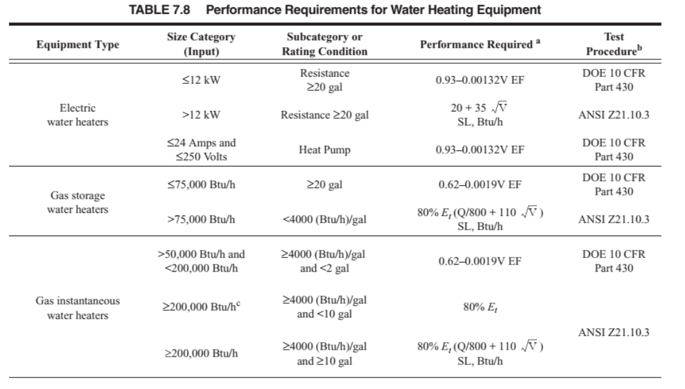
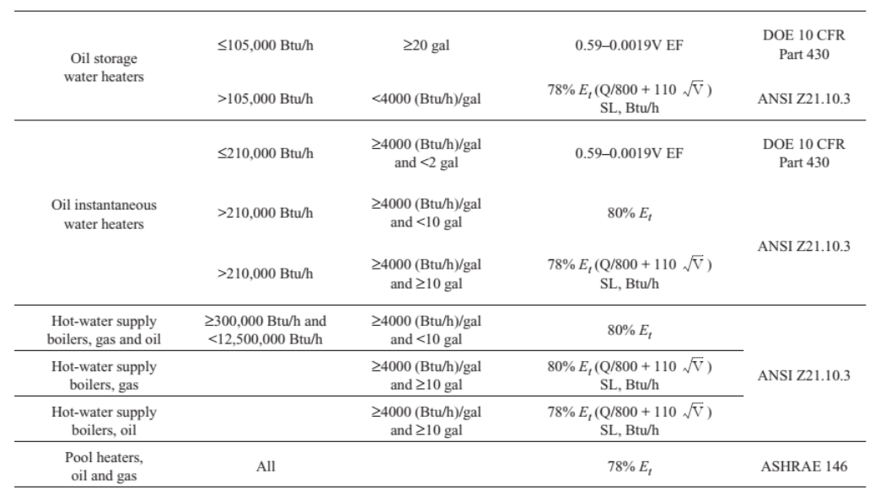

 |  | And Addendum:

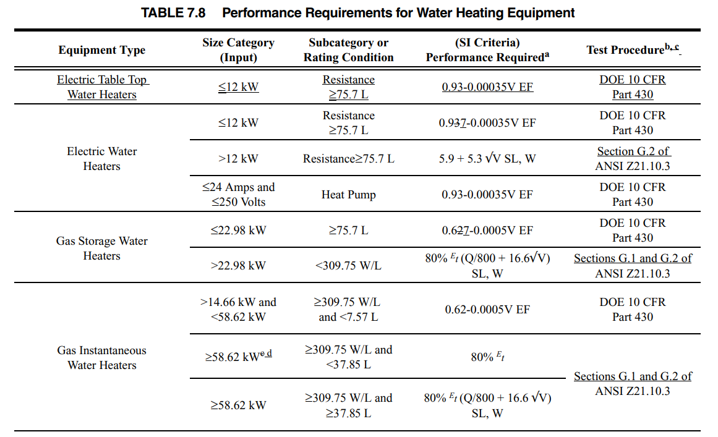
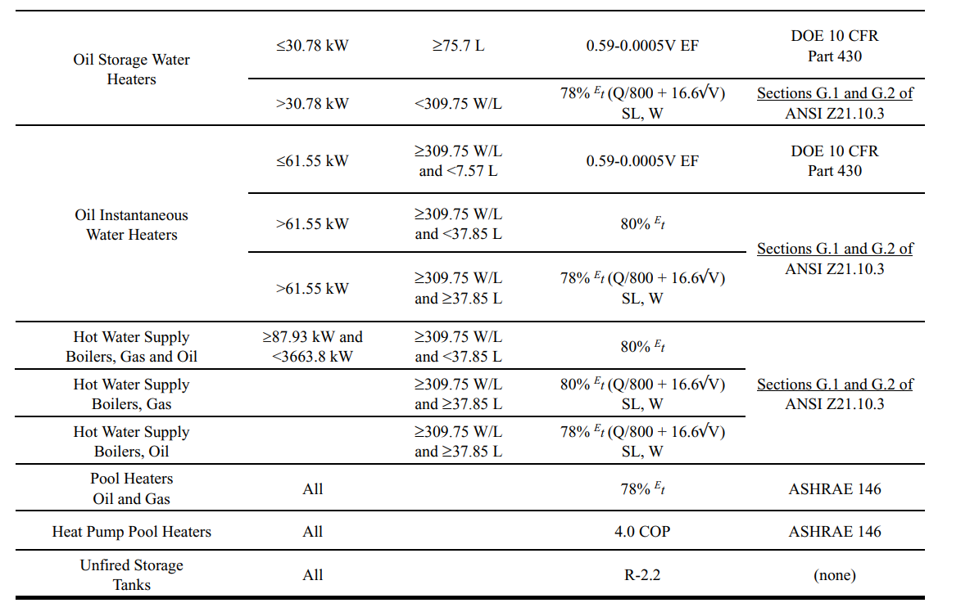

4.4.6 Electric Chiller
4.4.6 Electric Chiller
Return to Table of Contents
 | Baseline | The IL v10 TRM sets the baseline as the "efficiency requirements within the IECC code in effect on the date of the building permit." With Federal Standards aligning with IECC 2018 efficiency requirements, we recommend Indiana use IECC 2018 as baseline as presented below:
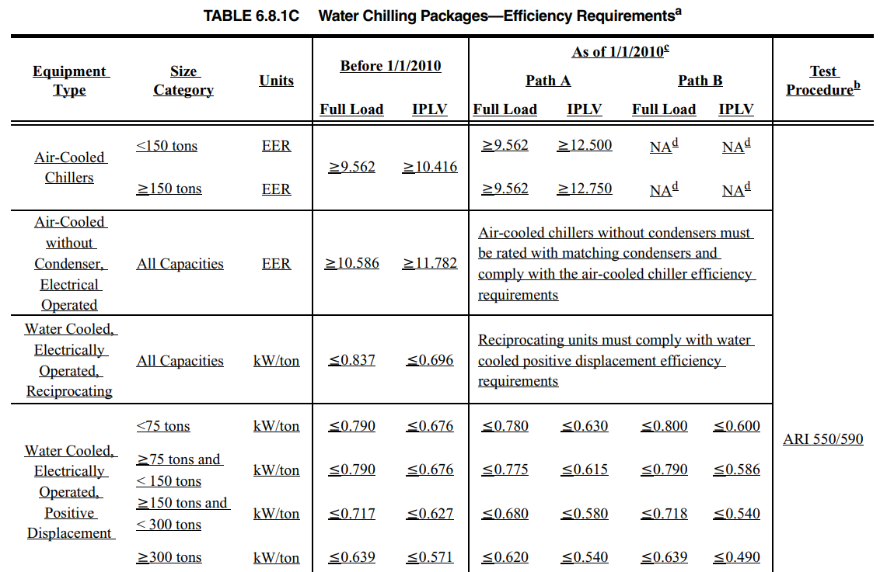
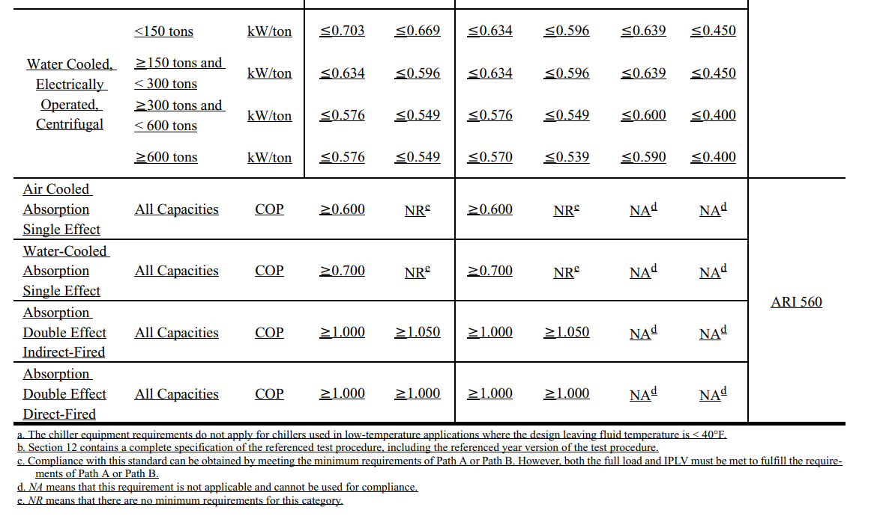
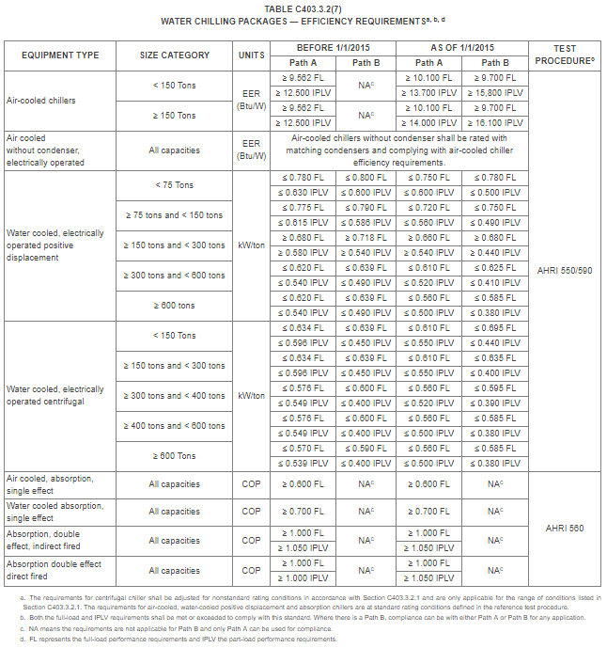
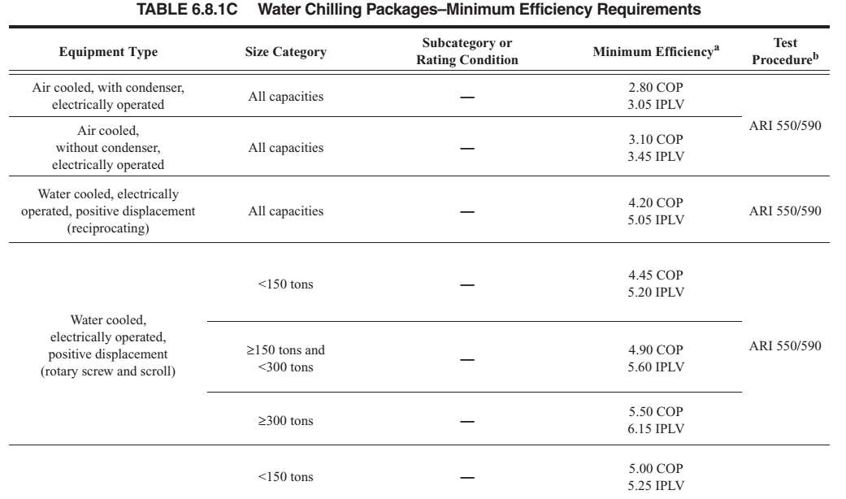
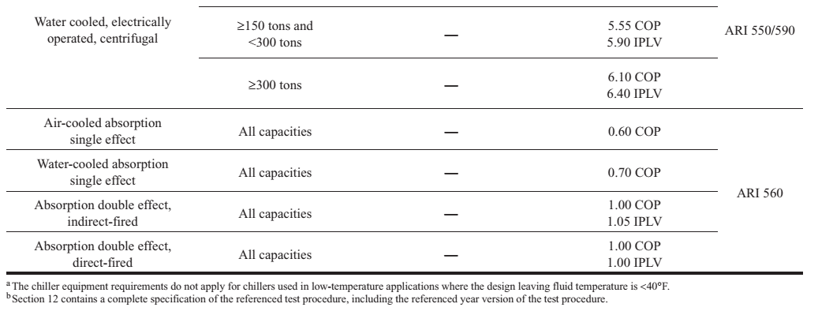
 |  |  | For reference, ASHRAE 90.1-2007 requirements are presented below: | And addendum:
 | IECC 2018:

 | Algorithm Assumptions
 | EFLH | Update as per climate zone mapping

4.4.9 ASHP
4.4.9 Air and Water Source Heat Pump
Return to Table of Contents
 | Baseline | The IL v10 TRM baseline is assumed to be a "standard-efficiency air cooled or water source heat pump system that meets the Code energy efficiency requirements (IECC or Code of Federal Regulations whichever is higher) in effect on the date of equipment purchase (if date unknown assume current Code minimum)". For 2023, we recommend Indiana use the 2018 Federal Standard as provided below, however the programs should be prepared for the upcoming change to the Federal Standard (effective 1/1/2023 but IL are not adopting as baseline until 1/1/2024 as indicated in table below).

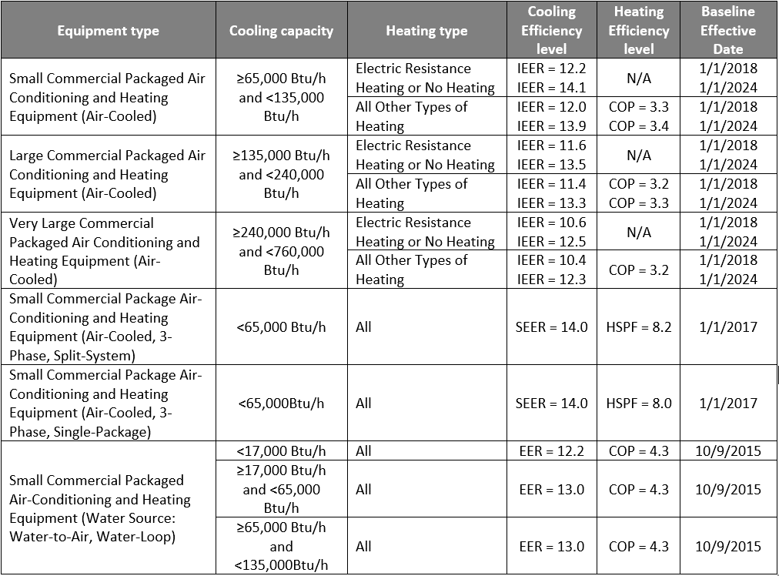
 |  |  | For reference, ASHRAE 90.1-2007 requirements are presented below: | And addendum:
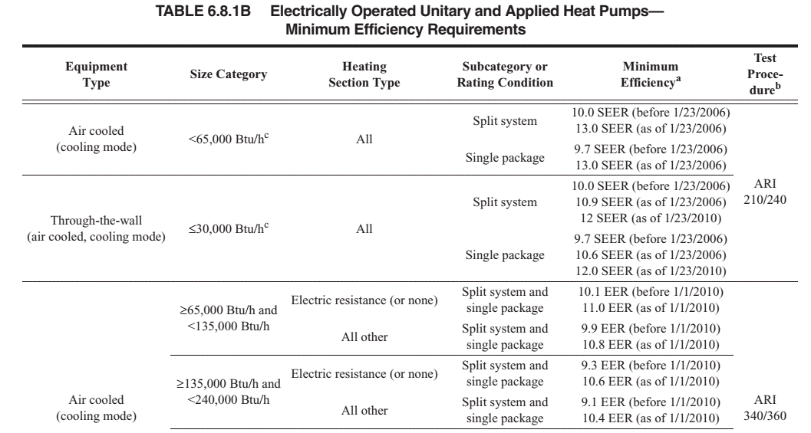
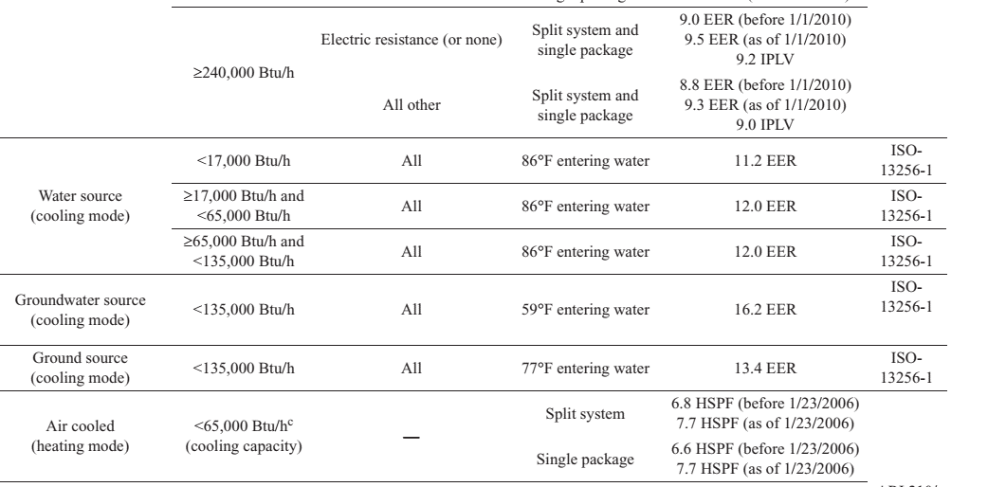
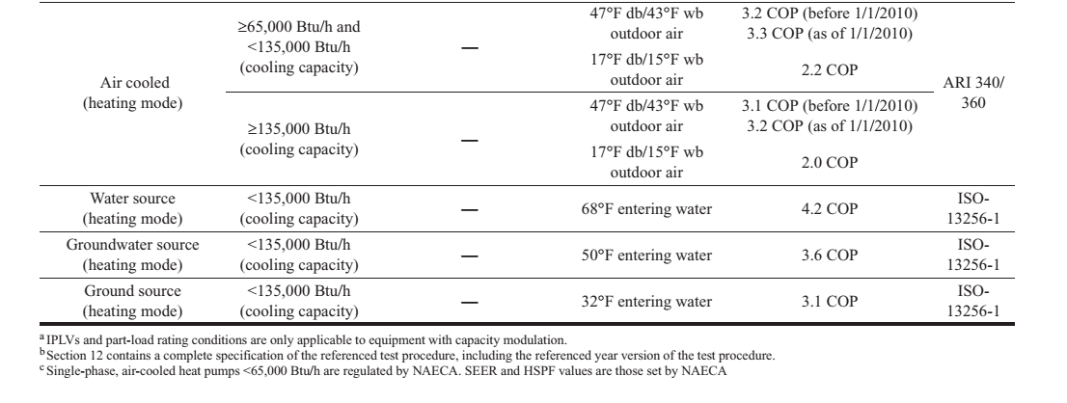
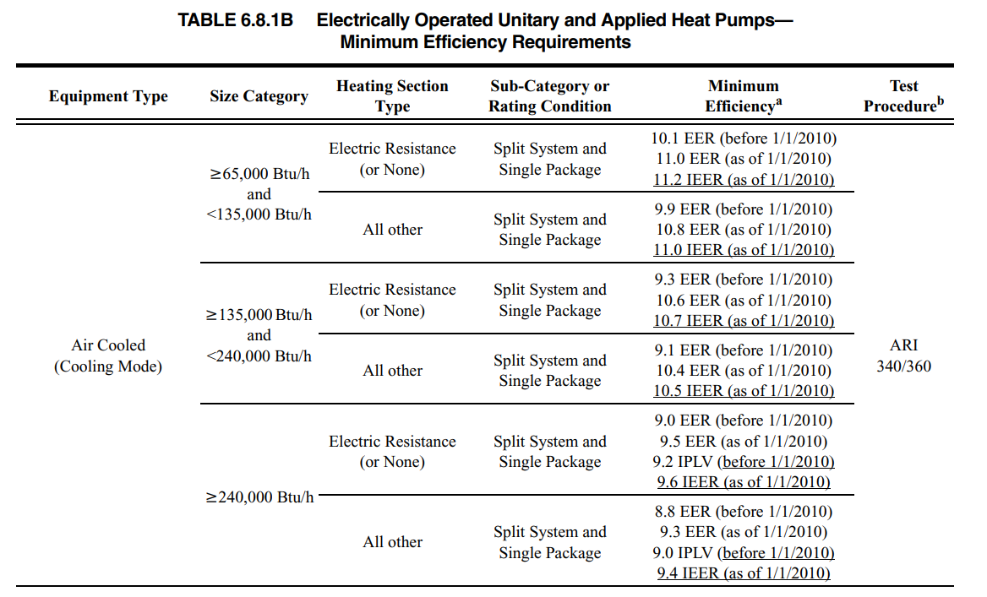

 | Efficient | For Residential sized units, the 2023 TRM assumes the old efficiency rating and therefore a SEER rating is required. The following conversion factors are recommended for use if the efficient equipment is only rated under the new testing procedure: SEER = SEER2 / X EER = EER2 / X HSPF = HSPF2 / X Where:

 | Algorithm Assumptions
 | EFLHcool | Update as per climate zone mapping
 | HSPF_ClimateAdj | IL v11 TRM added a new variable to account for observed discrepency between seasonal heating performance relative to rated HSPF as provided by standard AHRI 210/240 rating conditions. VEIC does not recommend IN add at this time as this variable is liable to continue to be evaluated and developed over the coming years.

4.4.13 PTAC and PTHP
4.4.13 PTAC and PTHP
Return to Table of Contents
 | Baseline | The IL v10 TRM sets the baseline as the "the baseline condition is equipment that meets the Code energy efficiency requirements (IECC or Code of Federal Regulations whichever is higher) in effect on the date of equipment purchase (if date is unknown, assume current Code minimum)." We recommend Indiana use the Federal Regulations Minimum Efficiency as baseline, as provided below: | For reference, ASHRAE 90.1-2007 requirements are presented below: | And addendum:
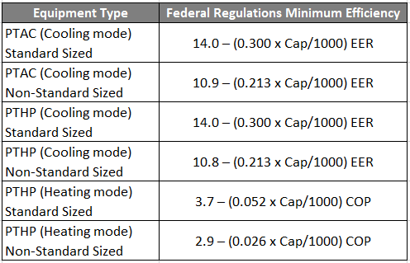
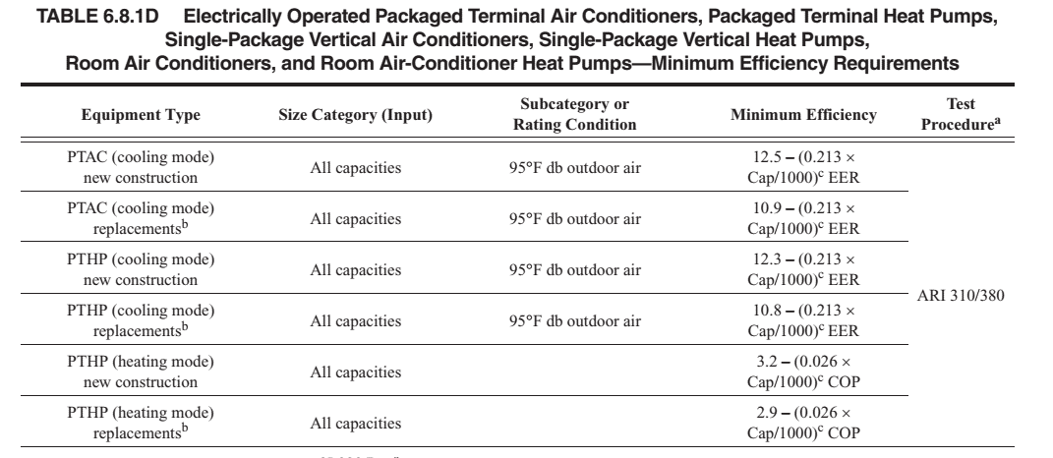
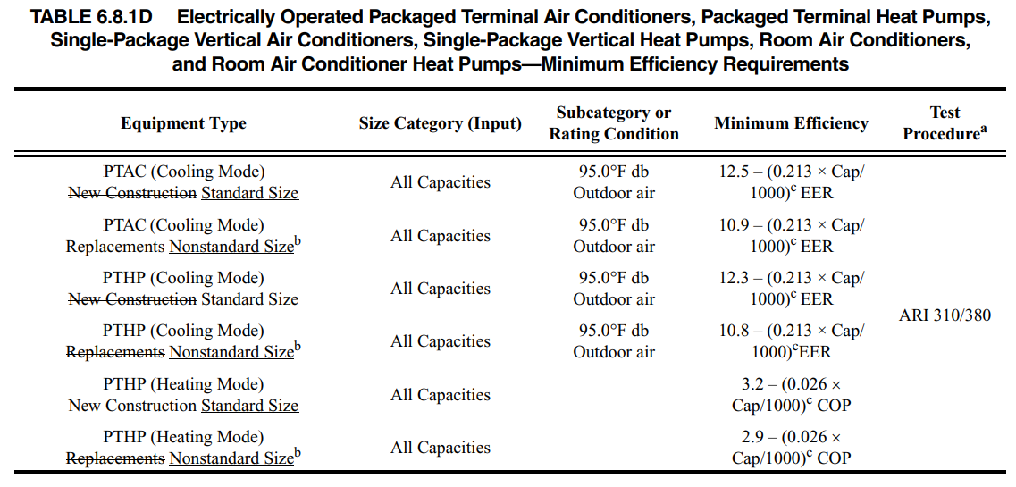

 | Algorithm Assumptions
 | EFLHcool | Update as per climate zone mapping
 | EFLHheat | Update as per climate zone mapping

 | Algorithm Assumptions
 | EFLH | Update as per climate zone mapping

4.4.15 Unitary Air Conditioners
4.4.15 Single-Package and Split System Unitary Air Conditioners
Return to Table of Contents
 | Baseline | The IL v10 TRM baseline is assumed to be a "standard-efficiency air-, water, or evaporatively-cooled air conditioner that meets the Code energy efficiency requirements (IECC or Code of Federal Regulations whichever is higher) in effect on the date of equipment purchase (if date is unknown, assume current Code minimum)". For 2023, we recommend Indiana use the 2018 Federal Standard as provided below, however the programs should be prepared for the upcoming change to the Federal Standard (effective 1/1/2023 but IL are not adopting as baseline until 1/1/2024 as indicated in table below). | For reference, ASHRAE 90.1-2007 requirements are presented below: | And addendum:
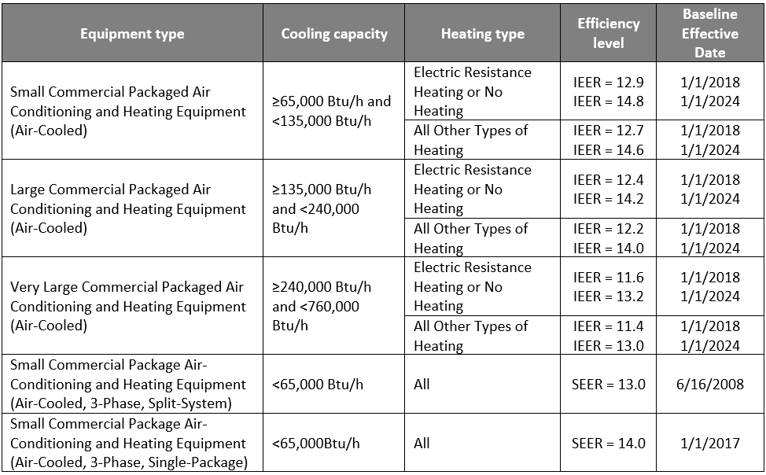
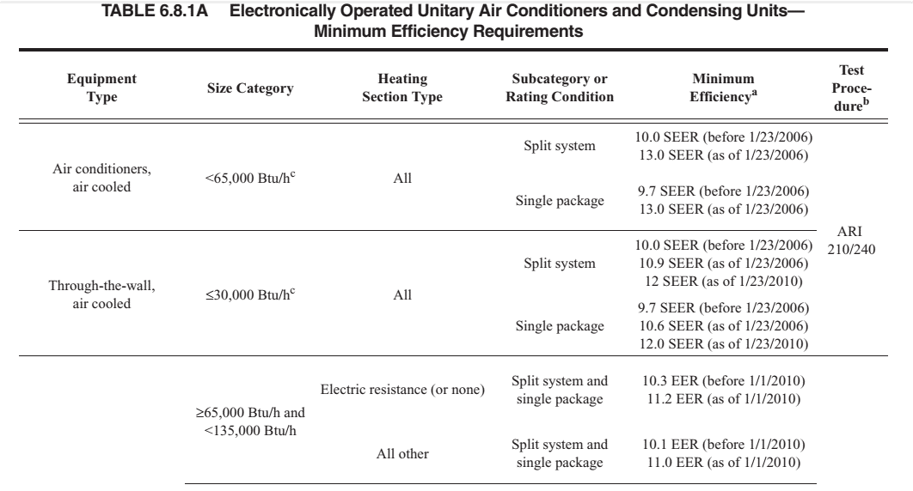
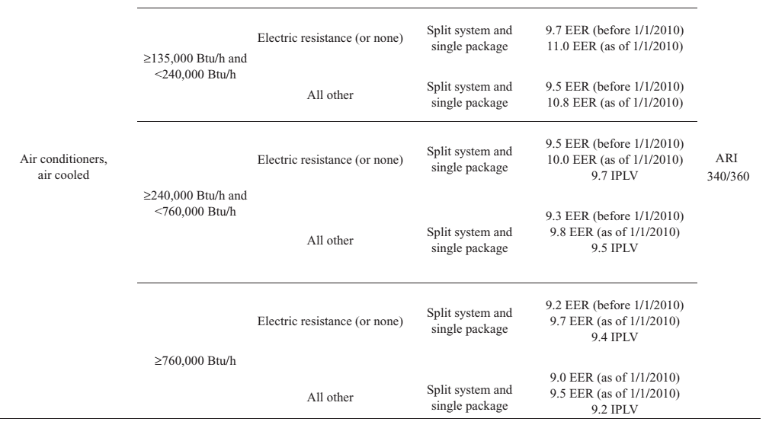
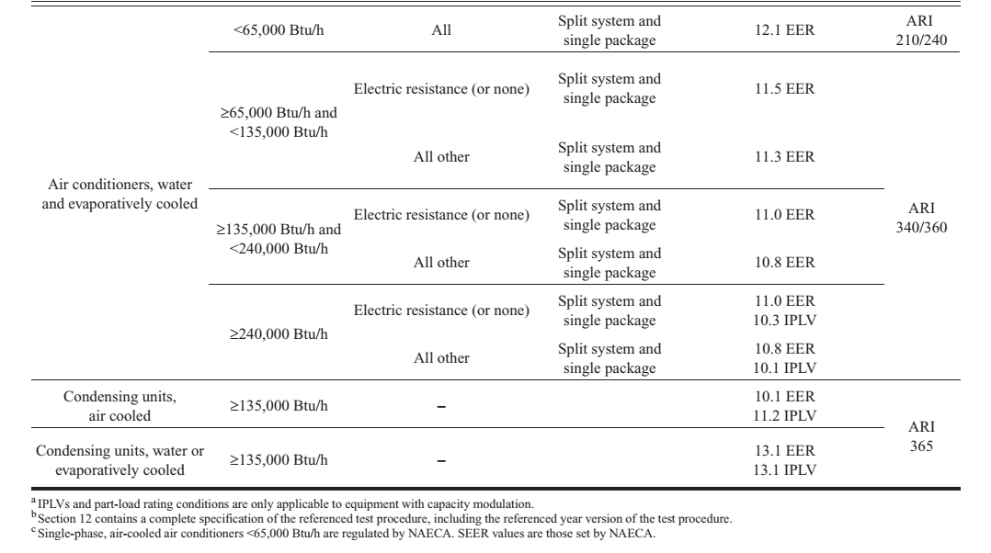
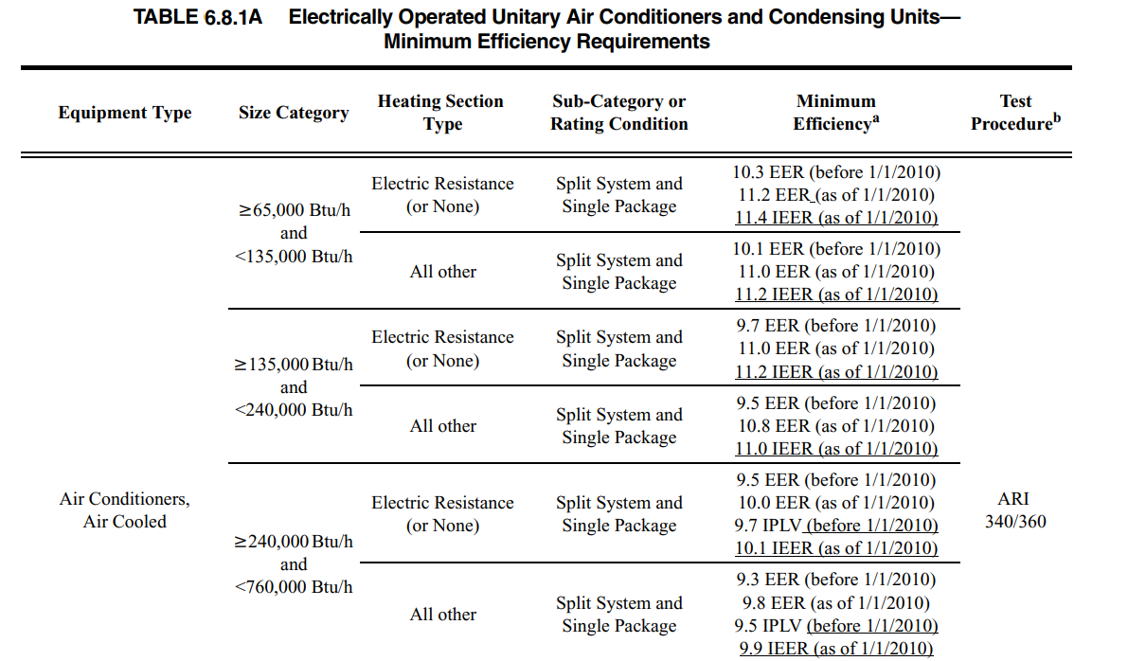
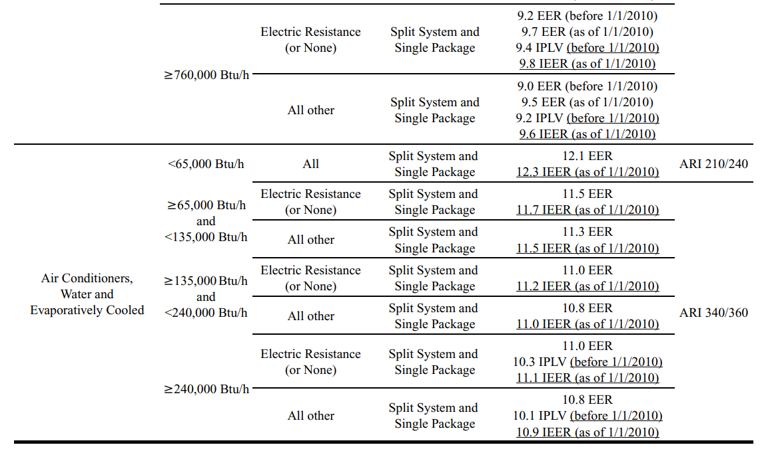

 | Algorithm Assumptions
 | EFLH | Update as per climate zone mapping

4.4.44 GSHP
...
 | Boiler Baseline |  |  | Furnace Baseline | Water Heater Baseline
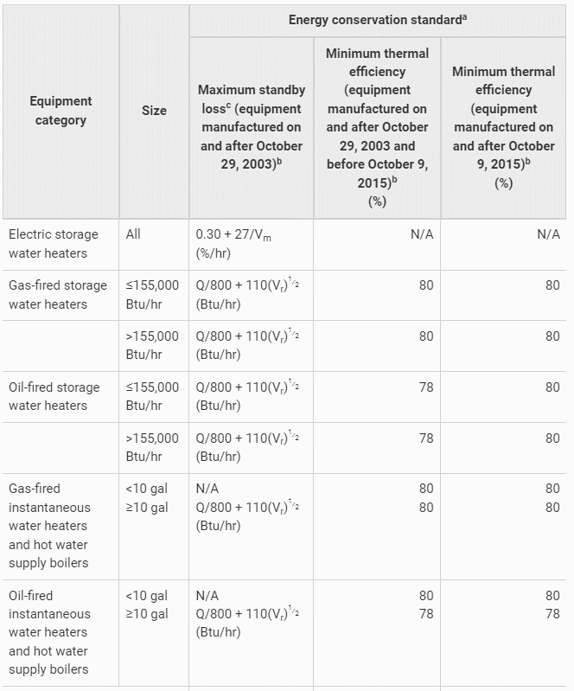
 | Boiler Type | IL TRM v10 (2023) | After 1/1/2024 | While the IL v10 TRM baseline (80% AFUE) is likely a reasonable level for 2023, the programs should be prepared for the upcoming change to the Federal Standard applicable to furnaces ≥225,000 Btu/hr (effective 1/1/2023 but IL are not adopting as baseline until 1/1/2024). The new Standard is 81% AFUE.
 | Hot Water Boiler < 300,000 Btu/h | 84% AFUE | 84% AFUE
 | Hot Water Boiler > 300,000 Btu/h and < 2,500,000 Btu/h | 80% ET | 84% ET
 | Hot Water Boiler > 2,500,000 Btu/h and <10,000,000 Btu/h | 82% EC | 85% EC
 | Hot Water Boiler >10,000,000 Btu/h | 82% EC | 82% EC
 | Steam Boiler < 300,000 Btu/h | 82% AFUE | 82% AFUE
 | Steam Boiler > 300,000 Btu/h and < 2,500,000 Btu/h | 79% ET (all except natural draft), 77%ET (natural draft) | 81% ET
 | Steam Boiler > 2,500,000 Btu/h and <10,000,000 Btu/h | 79% ET (all except natural draft), 77%ET (natural draft) | 82% ET
 | Steam Boiler > 10,000,000 Btu/h |  | 79% ET
...
Boiler |  |  |  | Furnace | Water Heater

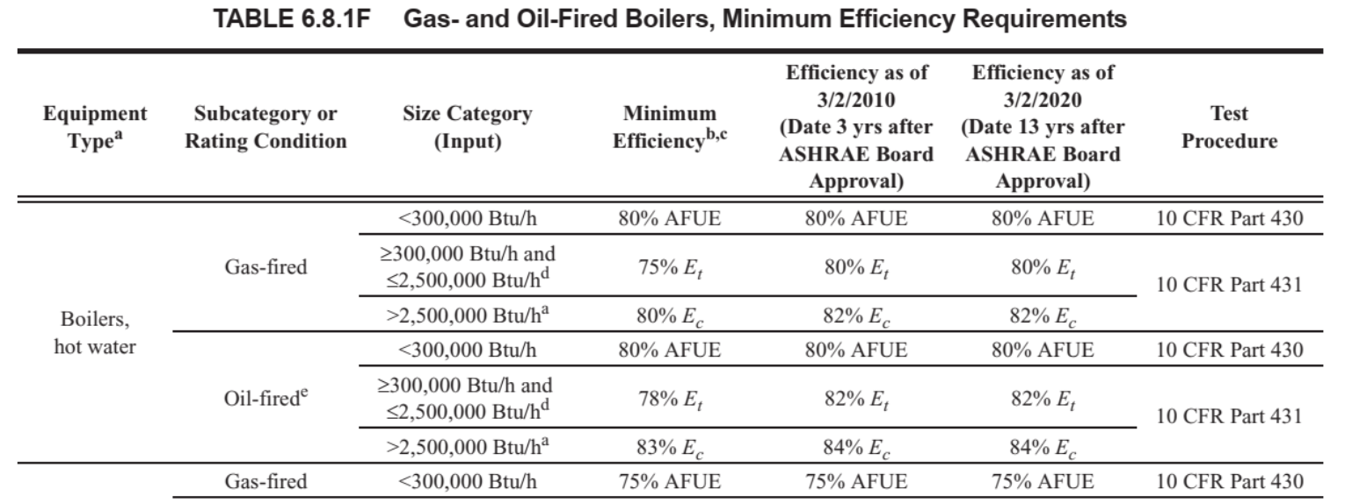
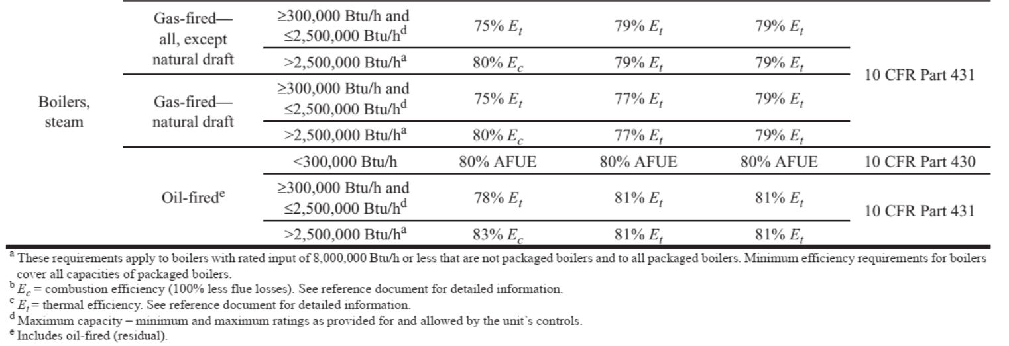
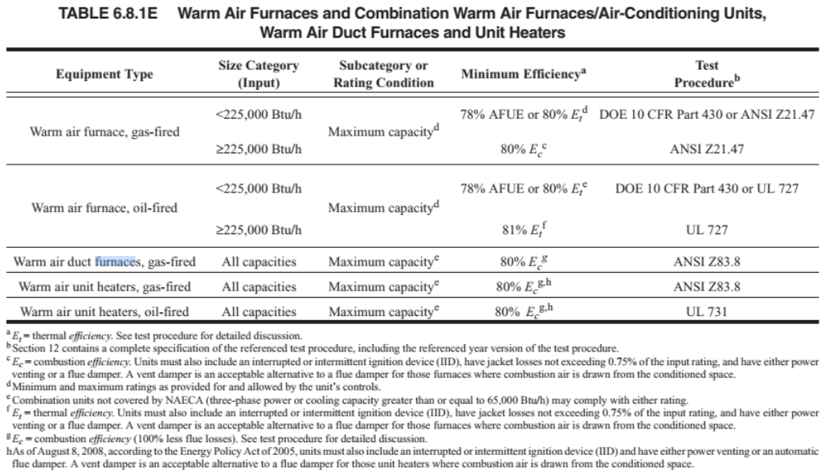

 |  |  |  | And Addendum:
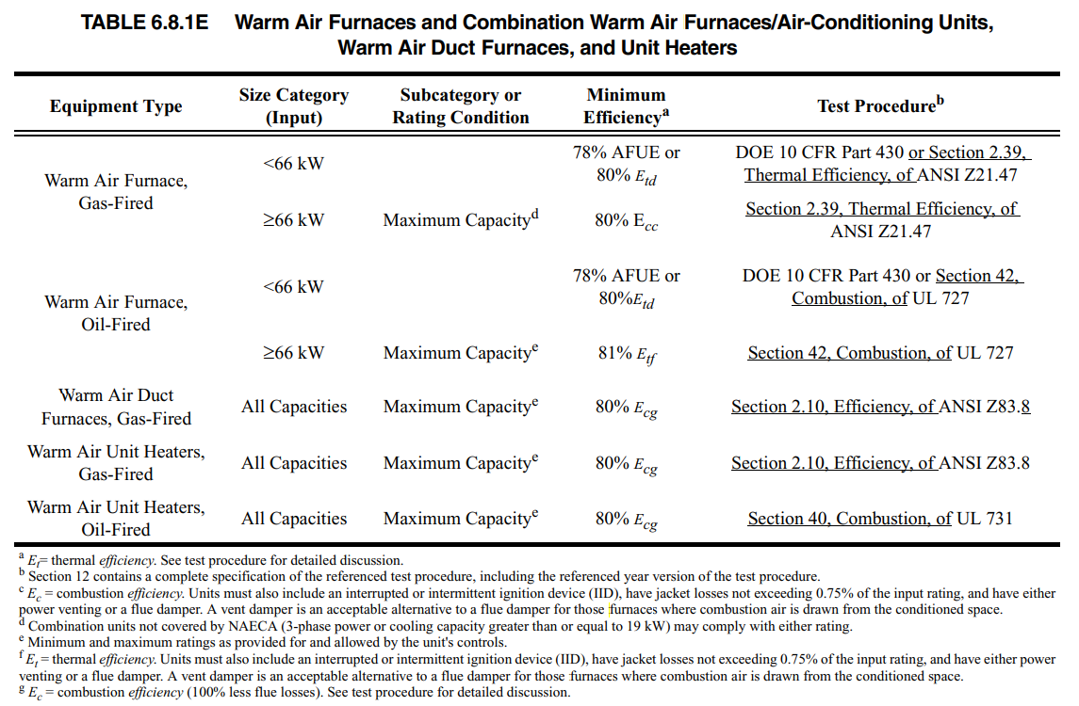
...
 |  |  |  |  | And Addendum:
...

4.4.50 Elec Chillers w ISVDs
4.4.50 Electric Chillers with Integrated Variable Speed Drives
Return to Table of Contents
 | Baseline | IL v10 TRM baseline states "the baseline equipment is assumed to meet the efficiency requirements within the IECC code in effect on the date of the building permit (if unknown assume IECC 2018 provided above)." VEIC recommends Indiana use the IECC 2018 levels as provided.
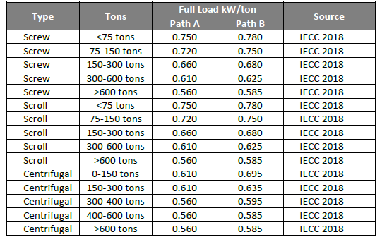

 | Reference Tables
 | Table 4 | Update as per climate zone mapping
 | Table 6 | Update as per climate zone mapping
 | Table 7 | Update as per climate zone mapping

4.5.7 LPD
4.5.7 Lighting Power Density
Return to Table of Contents
 | Baseline | IL v10 TRM provides baseline w/sq ft assumptions based on IECC 2015 and IECC 2018 and the baseline is assumed to be "a lighting power density that meets the IECC in effect on the date of the building permit (if unknown assume IECC 2018)". Our recommendation is that Indiana assume IECC 2018 as baseline as provided below, since ASHRAE 90.1-2007 is now very out of date from the standpoint of standard practice and technology availability. For reference the equivalent table from ASHRAE 90.1-2007 are also provided below.

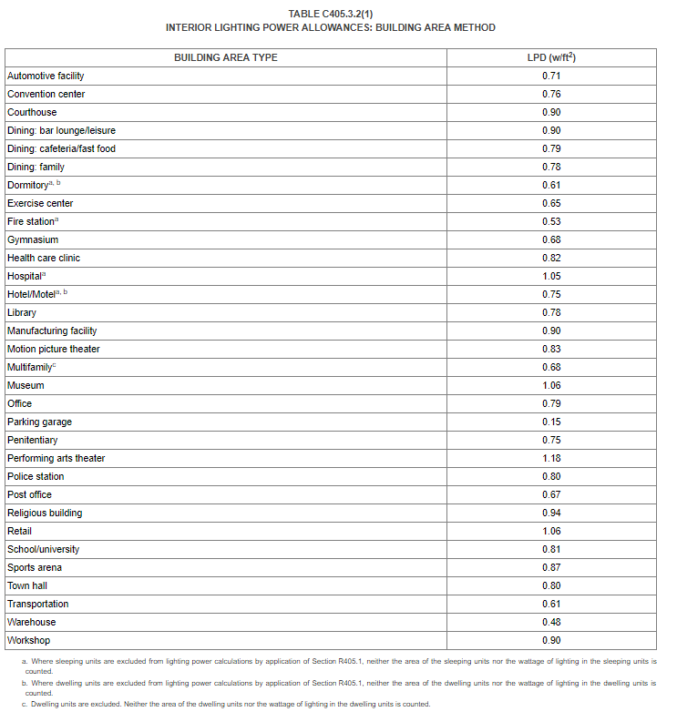
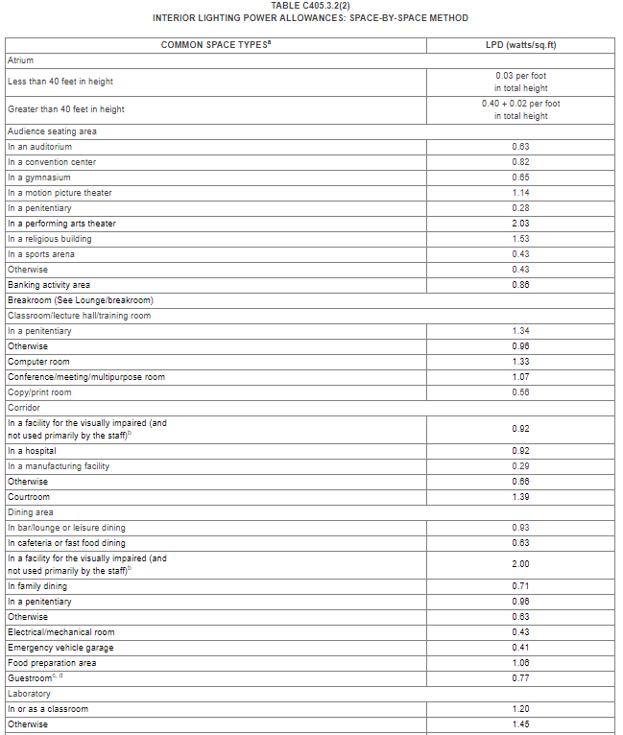
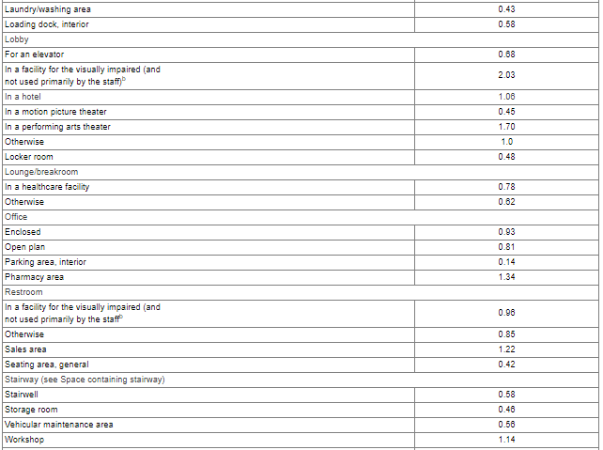
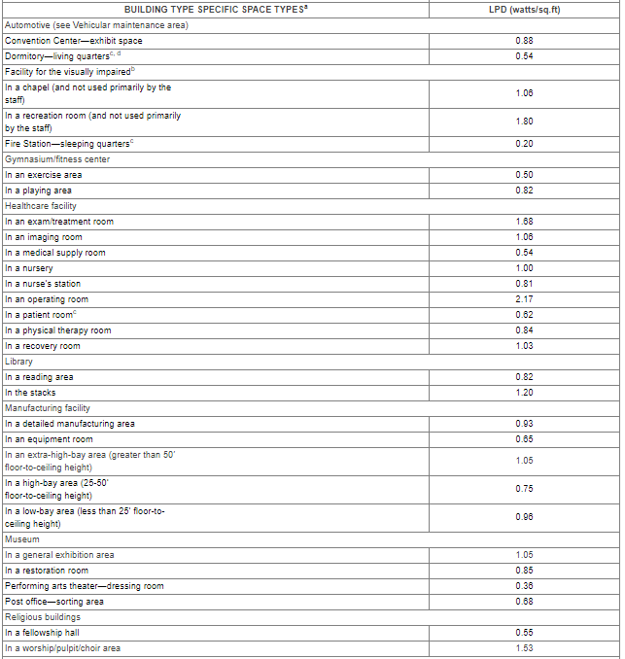
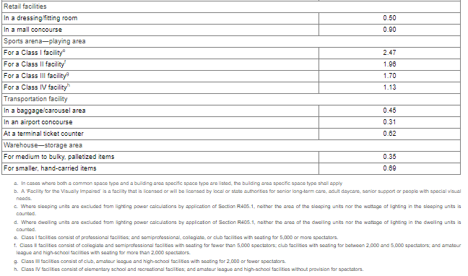
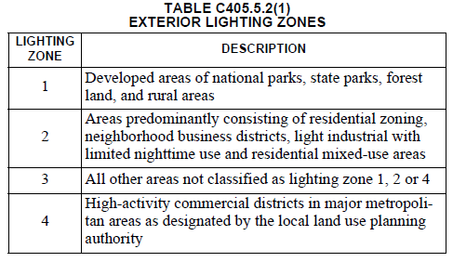
IECC 2018:

 |  |  |  | Table C405.2.2(2)
 |  |  |  | Lighting Power Allowances for Building Exteriors
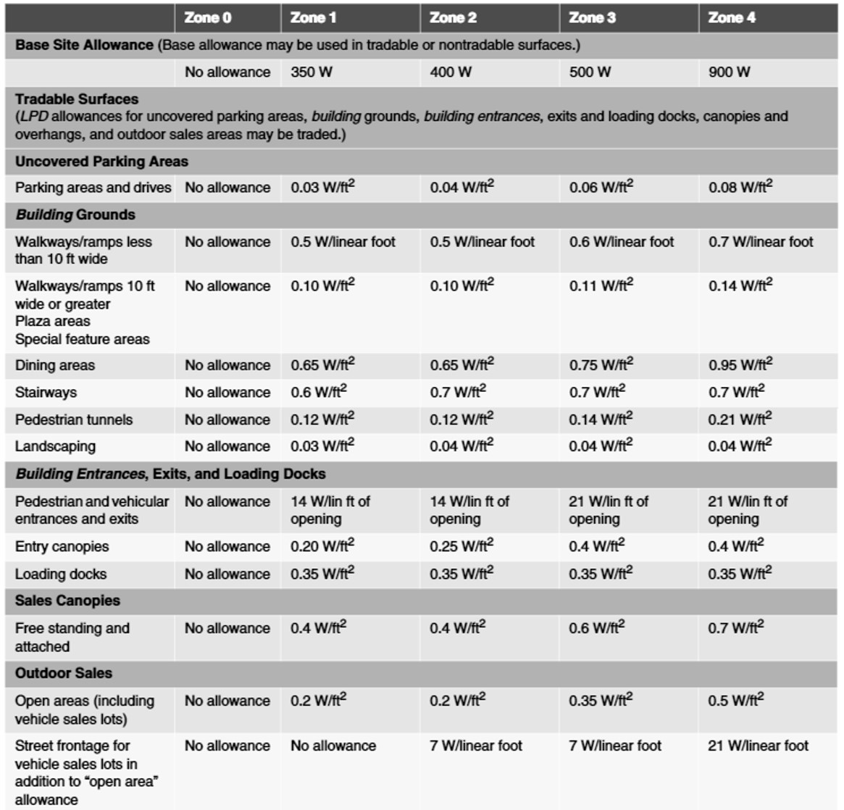

 | For reference, ASHRAE 90.1-2007 requirements are presented below:

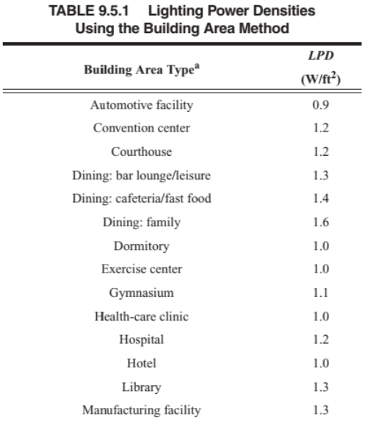
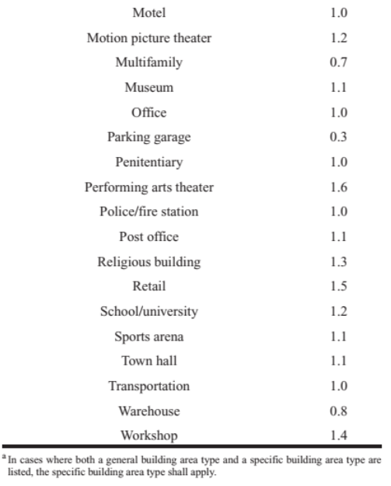

 |  |  |  | For reference, ASHRAE 90.1-2007 requirements are presented below:

 |  |  |  | And addendum:

 |  |  | For reference, ASHRAE 90.1-2007 requirements are presented below:

