Figure 1-1
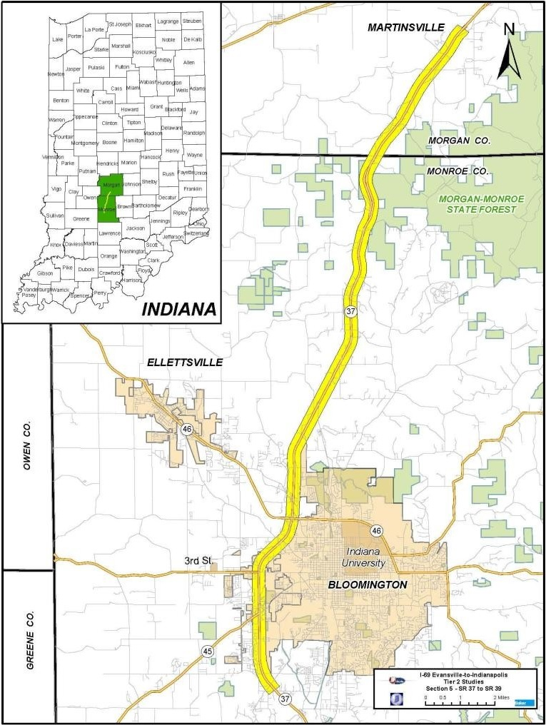
use this section/figure to provide a map of the project area
Figure 1-1: [Project Name] Map

Table 2-1
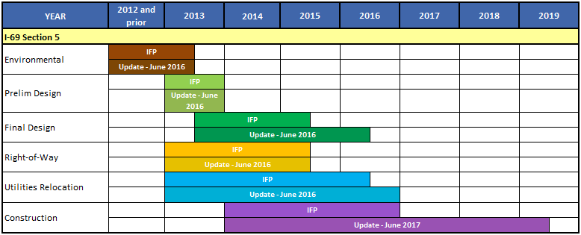
use this table/section to build a diagram of the schedule, gantt chart like |  |  |  |  |  |  | this is what it will look like with FPAU
Table 2-1. Project Schedule Overview |  |  |  |  |  |  | Table 2-1. Project Schedule Overview
Year | 2016 and Prior | 2017 |  | 2018 | 2019 | 2020
Environmental | IFP
Preliminary Design |  | IFP
Final Design |  |  | IFP
Right-of-Way |  | IFP
Utilities Relocation |  | IFP
Construction |  |  |  | IFP

Table 3-1 P3
use this table/graph to show project cost elements by phase. FPAU table will look like that on row 31 below
Table 3-1 : Project Cost Estimate by Activity(YOE $Millions)
Activity | Initial Total Cost | as of 4-30-17 | actual | remaining
PE & Final Design | $13.18 | PE | $1,899,406.68 | $2,276,142.32 | $4,175,549.00
Right of Way | $0.10 | RR | $6,953.09 | $13,046.91 | $20,000.00
Construction | $134.00 | RW | $21,700.00 | $78,300.00 | $100,000.00
Railroad PE | $0.02 | CN | $- | $143,000,000.00 | $143,000,000.00
CEI & Administrative | $4.00 | CE | $- | $4,000,000.00 | $4,000,000.00
Project Total | $151.30 |  | $1,928,059.77 | $149,367,489.23 | $151,295,549.00

Year | Rate
2017 | 2.5%
2018 | 2.5%
2019 & After | 2.5%

FPAU Table-
Table 3-1 : Project Cost Estimate by Activity (YOE $Millions)

Table 3-1 Trad
IFP: use this table/graph to show project cost elements by activity for each contract. FPAU's: Include Table 3-1 & 3-1b; Update pie chart figures 3-1a & 3-1b to current Cost
IFP
Table 3-1 Initial Total Project Cost by Contract and Activity in YOE ($ Millions)
Detailed Budget | Total Project Costs by Subproject and Phase
 | Environmental - NEPA | Subproject 1 | Subproject 2 | Subproject 3 | Subproject 4 | Total
Preliminary Engineering | $41.28 | $7.10 | $13.30 | $8.00 | $25.90 | $95.58
Right of Way | $17.39 | $108.90 | $46.10 | $21.70 | $78.30 | $272.39
Environmental Mitigation | $0.58 | $8.70 | $13.30 | $2.50 | $15.40 | $40.48
Construction | $ - | $137.20 | $258.60 | $154.90 | $518.90 | $1,069.60
Utilities | $ - | $23.10 | $40.30 | $45.50 | $47.50 | $156.40
TOTAL | $59.25 | $285.00 | $371.60 | $232.60 | $686.00 | $1,634.45

FPAU
Table 3-1b Annual Update Total Project Cost by Contract and Activity in YOE ($ Millions)
Activity | Phase/Subproject | IFP | FY18 FPAU | FY19 FPAU | Change from FY18 FPAU | Change from IFP
PE | Environmental - NEPA | $41.28 | $59.36 | $61.30 | 3.27% | 48.50%
 | Subproject 1 | $7.10 | $7.85 | $8.12 | 3.44% | 14.37%
 | Subproject 2 | $13.30 | $13.30 | $13.30 | 0.00% | 0.00%
 | Subproject 3 | $8.00 | $8.00 | $8.00 | 0.00% | 0.00%
 | Subproject 4 | $25.90 | $25.90 | $25.90 | 0.00% | 0.00%
Subtotal |  | $95.58 | $114.41 | $116.62 | 1.93% | 22.01%
RW | Environmental - NEPA | $17.39 | $20.00 | $21.75 | 8.75% | 25.07%
 | Subproject 1 | $108.90 | $89.90 | $102.56 | 14.08% | -5.82%
 | Subproject 2 | $46.10 | $46.10 | $46.10 | 0.00% | 0.00%
 | Subproject 3 | $21.70 | $21.70 | $21.70 | 0.00% | 0.00%
 | Subproject 4 | $78.30 | $78.30 | $78.30 | 0.00% | 0.00%
Subtotal |  | $272.39 | $256.00 | $270.41 | 5.63% | -0.73%
Environmental Mitigation | Environmental - NEPA | $0.58 | $0.72 | $0.89 | 23.61% | 53.45%
 | Subproject 1 | $8.70 | $8.70 | $8.35 | -4.02% | -4.02%
 | Subproject 2 | $13.30 | $13.30 | $13.30 | 0.00% | 0.00%
 | Subproject 3 | $2.50 | $2.50 | $2.50 | 0.00% | 0.00%
 | Subproject 4 | $15.40 | $15.40 | $15.40 | 0.00% | 0.00%
Subtotal |  | $40.48 | $40.62 | $40.44 | -0.44% | -0.10%
Construction | Environmental - NEPA | $- | $- | $- | 0.00% | 0.00%
 | Subproject 1 | $137.20 | $137.20 | $125.35 | -8.64% | -8.64%
 | Subproject 2 | $258.60 | $258.60 | $258.60 | 0.00% | 0.00%
 | Subproject 3 | $154.90 | $154.90 | $154.90 | 0.00% | 0.00%
 | Subproject 4 | $518.90 | $518.90 | $518.90 | 0.00% | 0.00%
Subtotal |  | $1,069.60 | $1,069.60 | $1,057.75 | -1.11% | -1.11%
Utilities | Environmental - NEPA | $ - | $- | $- | 0.00% | 0.00%
 | Subproject 1 | $23.10 | $25.43 | $25.76 | 1.30% | 11.52%
 | Subproject 2 | $40.30 | $40.30 | $40.30 | 0.00% | 0.00%
 | Subproject 3 | $45.50 | $45.50 | $45.50 | 0.00% | 0.00%
 | Subproject 4 | $47.50 | $47.50 | $47.50 | 0.00% | 0.00%
Subtotal |  | $156.40 | $158.73 | $159.06 | 0.21% | 1.70%
Total |  | $1,634.45 | $1,639.36 | $1,644.28 | 0.30% | 0.60%

Table 6-3
use this table format for all projects exceptP3 = private sector funding |  |  |  | use this table format for P3 projects = has private funding involved, PABs, BANs, etc. |  |  |  |  |  |  | Add Table 6-3b and Figure 6-3 in Financial Plan Annual Updates (FPAUs); explain in narrative form significant deviations from the IFP
Table 6-3. Project Cash Flows (in $ millions) |  |  |  | Table 6-3. Project Cash Flows (in $ millions) |  |  |  |  |  |  | Table 6-3b: Cumulative Cash Flow Comparison
Revenue | Thru 2017 | 2018 | Total |  | Thru 2013 | 2014 | 2015 | 2016 | 2017 | Total |  | 2010 & Prior | 2011 | 2012 | 2013 | 2014 | 2015 | 2016 | 2017 | 2018
Carry Forward | $- | $- | $- | Revenue |  |  |  |  |  |  | Revenue | $36.00 | $84.00 | $162.00 | $230.00 | $371.00 | $503.00 | $559.00 | $591.00 | $593.00
INDOT Funding | $144.93 | $6.37 | $151.30 | Carry Forward | $3.3 | $3.3 | $(38.3) | $127.9 | $(6.7) | $89.5 | IFP Revenue | $30.00 | $60.70 | $117.00 | $192.00 | $257.00 | $396.00 | $496.00 | $572.00 | $605.20
Revenue Subtotal | $144.93 | $6.37 | $151.30 | INDOT Funding – Milestones | $- | $- | $10.0 | $30.0 | $20.0 | $60.0 | Expenses | $35.80 | $83.60 | $162.30 | $229.20 | $371.00 | $502.70 | $558.90 | $590.80 | $592.90
Expenditures |  |  |  | INDOT Funding – Utility Milestones | $- | $- | $5.0 | $15.0 | $- | $20.0 | IFP Expenses | $29.40 | $60.70 | $116.80 | $191.40 | $256.80 | $396.10 | $495.20 | $570.50 | $605.20
Design | $10.90 | $2.28 | $13.18 | INDOT Funding Other | $15.1 | $12.1 | $22.5 | $16.5 | $3.3 | $69.5
Figure 6-3: Cumulative Cash Flow Comparison
ROW | $0.02 | $0.08 | $0.10 | Private Activity Bonds | $- | $- | $251.8 | $- | $- | $251.8
Construction | $134.00 | $- | $134.00 | Developer Equity | $- | $- | $23.9 | $8.3 | $8.3 | $40.5
Utilities/Railroads | $0.01 | $0.01 | $0.02 | Interest Earned | $- | $- | $0.4 | $0.2 | $0.1 | $0.7
CEI, Admin, Prgm | $- | $4.00 | $4.00 | Total | $18.4 | $15.4 | $275.3 | $197.8 | $25.0 | $531.9
Expenditures Subtotal | $144.93 | $6.37 | $151.30 | Expenditures
Net Cash Flow | $- | $- | $- | Non-Developer Expenditures
 |  |  |  | Design | $14.3 | $23.5 | $9.9 | $15.5 | $1.0 | $64.3
 |  |  |  | ROW | $0.7 | $27.7 | $24.8 | $2.9 | $0.9 | $57.0
 |  |  |  | Construction | $0.1 | $1.8 | $4.3 | $7.6 | $- | $13.7
 |  |  |  | Utilities | $- | $0.7 | $13.5 | $9.9 | $- | $24.2
 |  |  |  | CN Chg Order/Ctgy | $- | $- | $- | $- | $- | $-
 |  |  |  | CEI, Admin, Prgm | $0.0 | $- | $0.0 | $3.3 | $1.5 | $4.8
 |  |  |  | Developer Expenditures
 |  |  |  | Construction | $- | $- | $76.5 | $146.9 | $89.5 | $312.9
 |  |  |  | Other Costs | $- | $- | $3.0 | $3.0 | $3.0 | $9.0
 |  |  |  | Interest during Construction | $- | $- | $8.8 | $8.8 | $8.8 | $26.5
 |  |  |  | Finance/Bond Repayment & Reserve Costs | $- | $- | $3.9 | $3.9 | $3.9 | $11.6
 |  |  |  | O&M During Construction | $- | $- | $2.6 | $2.6 | $2.6 | $7.9
 |  |  |  | Total | $15.1 | $53.7 | $147.4 | $204.6 | $111.1 | $531.9
 |  |  |  | Net Cash Flow | $3.3 | $(38.3) | $127.9 | $(6.7) | $(86.2) | $-

