DOL Request Form
Atterbury Directorate of Logistics Request Form

Training Unit Information
Unit Name |  | UIC

*****EVERY BLANK SPACE MUST BE FILLED IN. IF THERE IS NO REQUIREMENT, PLEASE FILL WITH "N/A"*****
In order to ensure timely delivery of service, please complete and submit this form at least 90 days prior to training at Camp Atterbury. It is important that this request form is filled out accurately and completely.
In addition to completing this form, you must coordinate directly with the Food Service Scheduler and the Fuel Operations Manager to coordinate requested services.
Street Address

City, State

Component

Point of Contact
Last Name | First Name | Rank

Phone Number | Extension | E-Mail

Training Event Information
Training Type (Select One)
Start Date
End Date
Total Number of Personnel

Training Resources |  |  |  | Camp Atterbury Resource Scheduling Contacts
Dine in DFAC Meals (Attach 5913) | No |  |  | Consolidated Request Processing |  | SGT Heather Farr | 812-526-1499 x61788 | heather.r.farr2.mil@army.mil
Field Feed (Attach 5913) |  |  |  | Food Service Scheduling |  | SGT Heather Farr | 812-526-1499 x61788 | heather.r.farr2.mil@army.mil
 |  |  |  | Logistics Management Officer |  | CPT Eric Hart | 812-526-1499 x62645 | eric.r.hart7.mil@army.mil
Ice Requirement | No |  |  | MIPR Manager |  | SSG Russell Christian | 812-526-1499 x62974 | russell.g.christian2.mil@army.mil
Block Ice (10lb block) Amount |  |  |  | Fuel Operations Manager |  | SSG Marlon Mobley | 812-234-1499 x62134 | marlon.m.mobley4.mil@army.mil
Bag Ice (22lb bag) Amount |  |  |  | Ration Break Point |  | SPC Joseph Sperry | 317-247-3300 x61556 | joseph.r.sperry3.mil@army.mil
Ice Pickup Date(s) |  |  |  | Linen Coordination |  | SPC Joseph Sperry | 317-247-3300 x61556 | joseph.r.sperry3.mil@army.mil

Grey Water Requirement | No
Location of Grey Water Draw |  |  | Food Service | FS Cost | Ice | Ice Cost | Linens | Linen Cost | Chemical Latrine | Latrine Cost
Date/Time of Grey Water Draw |  |  | Breakfast | $7.55 | 10 lb block | $1.61 | Full Set | $5.50 | Clean (1 minimum) | $16.50
How Many Gallons? |  |  | Lunch/Midnight | $8.80 | 16 lb bag | $2.57 | Linen Request | No | Initial Placement | $16.50
 |  |  | Dinner/Picnc Meal | $9.77 |  |  | Number of Sets |  | Movement | $16.50
Bulk Fuel Requirement | No |  | Coffee | $0.67
How Many Gallons? |  |  | Hot Chocolate | $0.87 |  |  | Bus Request | No | Hand Wash Station | $16.50
VIL Key Fuel Requirement |  |  | Soup | $1.72 |  |  | Number of Buses |  | Initial Placement | $16.50
Pick-up Time and Date |  |  | Gatorade | $0.56 |  |  | Dates Needed |  | Movement | $16.50

Chemical Latrine Requirements
 | ***Suggested Number of Latrines per Number of Soldiers = 1 Latrine per 20 Soldiers***
 | Location 1 | Location 2 | Location 3 | Location 4 | Location 5 | Location 6 | Location 7 | Location 8 | Location 9 | Location 10 | Location 11
Start Date
End Date
Training Area
# of Personnel
Quantity of Latrines
Requested Cleaning Dates
Grid Coordinates
Comments

Hand Wash Station Requirements
 | ***Suggested Number of Handwash Stations per Number of Soldiers = 1 Latrine per 40 Soldiers*** Handwash Stations are not available through winter months: Nov 1- Apr 1
 | Location 1 | Location 2 | Location 3 | Location 4 | Location 5 | Location 6 | Location 7 | Location 8 | Location 9 | Location 10 | Location 11
Start Date
End Date
Training Area
# of Personnel
Quantity of Hand Wash Stations
Requested Service Dates
Grid Coordinates
Comments

Please use the following online tool to obtain grid coordinates for latrines: http://gismo.ngb.army.mil

Yes | Annual Training
No | IDT
 | Pre-Molization
 | Collective Exercise

Railhead Reservation
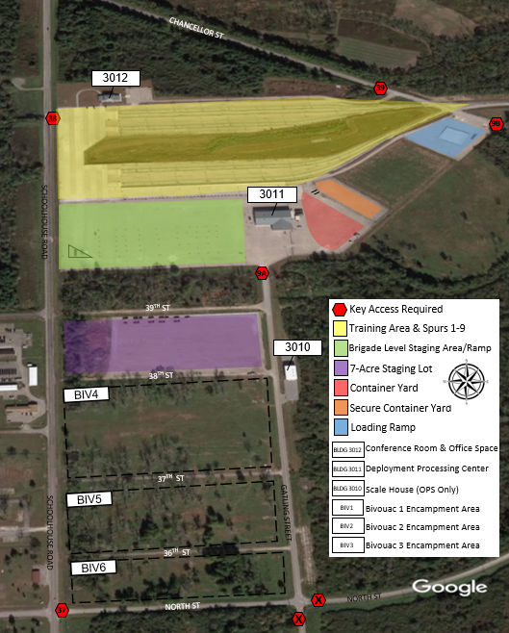
Railhead Reservation Request
Please follow the checklist below to ensure that the request form is accurate and complete.
Capabilities & Capacity
Camp Atterbury's Railhead and Deployment Facility was designed to process and load a brigade combat team of 4,500 geared soldiers and 1,700 pieces of rolling stock over the course of 72 hours. Camp Atterbury's state of the art 9-Spur Railhead Expansion System is equipped to handle one hundred and twenty rail cars per day. The sixty-five acre facility is comprised of a Deployment Processing Center (20,000 sqft), a Scale House with weigh-in-motion scales (1,600 sqft), a Rail Operations Building (5,000 sqft), Marshalling and Staging Areas (70,000 sqft), a Container Yard with secure overflow (32,000 sqft), and Truck-to-Truck or Truck-to-Ground Loading Ramps (10 Truck Cap).

Training Unit Information
Unit Name |  | DODAAC | UIC

Street Address

City, State

Component

Point of Contact
Last Name | First Name | Rank | E-Mail

Phone Number | Extension | Alternate Phone Number | Extension

Training Event Information
Training Type (Select One)
Start Date
End Date
Total Number of Personnel
Location Requirement (Filtered Selection Below) |  | Number of Trailers/ Vehicles | MHE Support Requirement (Filtered Selection Below)
1. |  | 0
2. |  | 0
3. |  | 0
4. |  | 0
5. |  | 0
Justification/ Purpose for Usage:

*** EVERY BLANK SPACE MUST BE FILLED IN. IF THERE IS NO REQUIREMENT, PLEASE FILL WITH "N/A" ***
In order to secure your reservation in a timely manner, please complete and submit this form at least 90 days prior to your training event at Camp Atterbury.
In addition to completing this form, you must coordinate directly with the DOL Resource Scheduler. If you require MHE Support, please contact the POC below directly.

Camp Atterbury Linehaul & Railhead Contacts
Mobility Coordinator | CW2 Delucio, Craig A. | O: (317) 247-3334 / C: (317) 450-2487 | craig.a.delucio.mil@army.mil
Mobiliity NCOIC | SFC Clark, Christopher E. | O: (317) 247-3300 x61305/ C: (317) 538-8390 | christopher.e.clark40.mil@army.mil
Transportation NCO/ DMC | SFC Froelich, Wesley C. | O: (317) 247-6023 / C: (317) 474-8982 | wesley.c.froelich2.mil@army.mil
Material Handling Equip Support | SPC Sperry, Joseph R. | O: (317) 247-3300 x61556 | joseph.r.sperry3.mil@army.mil
DOL Resource Scheduler | SGT Farr, Heather R. | O: (812) 526-1499 x61788 | heather.r.farr2.mil@army.mil
DOL Logistics Management Officer | CPT Hart, Eric R. | O: (812) 526-1499 x62645 | eric.r.hart7.mil@army.mil

