Instructions
The T&E Workflow Approvals Configuration Workbook

INTRODUCTION

The information you're asked to provide in this workbook is essential to accurately completing your T&E setup. Take your time and consider your responses carefully. If you have questions or need help, please submit a GMIS ticket with Please Assign to IDOA as the first line in the Description.

COMPLETE AND SUBMIT THE T&E WORKBOOK

THIS WORKBOOK CONTAINS FIVE TABS

The Instruction tab provides general information and guidance concerning how to complete the Role Assignment Worksheet.

The Role Assignment Worksheet tab is for documenting your BUs TA and ER internal workflow requirements. Please view the T&E Workflow Approvals Configuration presentation on our webpage before attempting to complete this document. For just-in-time tips, see the information provided below.

The Example tab displays a completed example of the Role Assignment Worksheet for reference.

The Testing Information tab asks for traveler and accounting information to be used in testing.

The Business Model Selection tab asks you to tell us which T&E business process option you will follow.

While completing the tabs in the workbook, remember to save your work often!

When you've completed the Role Assignment Worksheet, the Testing Information, and Business Model Selection, submit a GMIS ticket with your workbook attached. In the Description of the ticket, enter Please Assign to IDOA as the first line. On the second line, enter your Business Unit - T&E Workbook.

For example

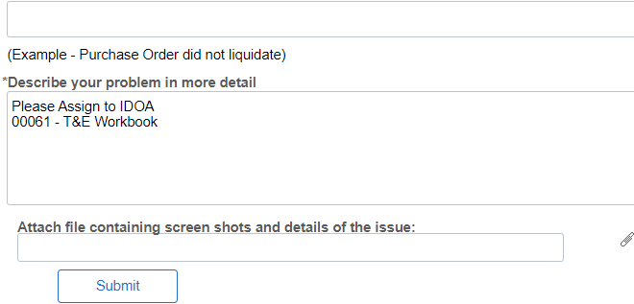

If you're not sure how to attach a document to a GMIS ticket, please see the Ticket Attachments instruction on the T&E webpage.

THE ROLE ASSIGNMENT WORKSHEET

The sections below are intended to provide just-in-time tips concerning how to complete the columns and rows on the Role Assignment Worksheet. It does not provide all details concerning workflow and approvals.

Please view the T&E Workflow Approvals Configuration presentation on our webpage before attempting to complete this document.

Business Unit

Enter your 5 digit Business Unit number in the Business Unit field at the top of the worksheet.

Doc Type

The Doc Type column is first on the worksheet and refers to the type of document (Travel Authorization or Expense Report) for which you're entering workflow details.

Enter TA for the Travel Authorization, or ER for the Expense Report.

Like Doc Types should be grouped together. List all the TA process lines first, then the ER. There must be a Doc Type for each Department ID or Department ID range.

Department IDs

Department ID is the criteria workflow uses to route transactions to your various approvers.

Each of your agency’s Department ID values, either singly or in a range, must be accounted for on the role assignment configuration worksheet.

They must actually be listed TWICE; Once to document the TA workflow, and again to document the ER workflow. (see example)

IF your approval requirements for the TA and ER are 100% IDENTICAL, you may enter the information only once on the worksheet and list the Doc Type as BOTH.

Approver Roles

With each Department ID or Department ID range you enter, you must assign approvers to at least the required approval roles.

The HR Supervisor role will be system-assigned. Do not enter approvers in this column.

When assigning an approver to a role, enter their First and Last Name, and People Soft User ID in the respective columns.

TA and ER workflows are independent of each other. Your approver assignments may differ between the Doc Types if needed.

Multiple approvers may share an approval role, but an approver cannot act in more than one role. HR Supervisor is the exception. An approver can also be a supervisor.

For example

In both the TA and ER workflows shown on the 'Example' tab, Department ID 000001 has multiple approvers pooled in the Travel Dept role; Arnie Metzger, Becky Watson, and Darlene Canfield. They're not eligible to act in any other optional or required approval roles.

In the TA workflow, Sid Cunningham is assigned the Travel Approver 2 role. He's not eligible to act in any other role for TA approvals, but he could be assinged a different role, say the Travel Approver 4 role, in the ER workflow.

Business Model Selection
BUSINESS MODEL SELECTION

Please enter your selection here.
 | After consideration of the options listed below, please tell us which T&E business model your Business Unit will follow.

 | We will follow the:

 | SELF SERVICE MODEL (Recommended Standard) | SELF SERVICE SPLIT IN STATE/OUT OF STATE

 | The self-service model, the one we recommend, directs all travelers to enter their requests for out-of-state travel (the Travel Authorization) and requests for travel expense reimbursement (the Expense Report) into PeopleSoft T and E. This truly takes advantage of the self-service design and gives your travelers ownership. | This option requires travelers to work with agency designees who enter TAs (for out-of-state travel travel) on their behalf, but employees enter their own ERs for reimbursements. Even though this isn’t our first recommendation, since out-of-state requests involve a lot more documentation and justification, this option definitely has merit.

 | SELF SERVICE BLEND | ADMINISTRATOR MANAGED MODEL

 | A slightly different version of the first option, the self-service blend, allows some travelers (perhaps select positions or executive roles) to funnel their travel needs to agency designees outside of PeopleSoft. They’ll then enter TAs and ERs on their behalf. The other agency travelers would be directed to complete their own TAs and ERs. | The administrator managed model does not involve the end travelers at all. Employees are instead instructed to submit their travel needs outside of PS to agency designees, who then enter all TAs and ERs on their behalf.

