How to Use Max Rate in Gateway
Entering Property Tax Cap Estimates in Gateway's Form 4B

1. The Rate Cap table will list only the funds affected by a Maximum Rate.

2. On Form 4B, navigate to the same fund you identified in Step 1, and then press the "Click to Edit: Levy, Rate, Tax Cap Impact or School Transfers" button to open the Data Entry pop-up page.

3. On the Data Entry page shown below, add the assessed value used to calculate the levy. Do NOT enter commas in this box.

4. On the Data Entry page shown below, change the "Select which value to provide in order to calculate the other fields" to the "Rate" option.

5. On the Data Entry page shown below, enter the Maximum Rate, or the maximum rate you wish to levy in the Rate Box. Then click the "Save/Close" button.
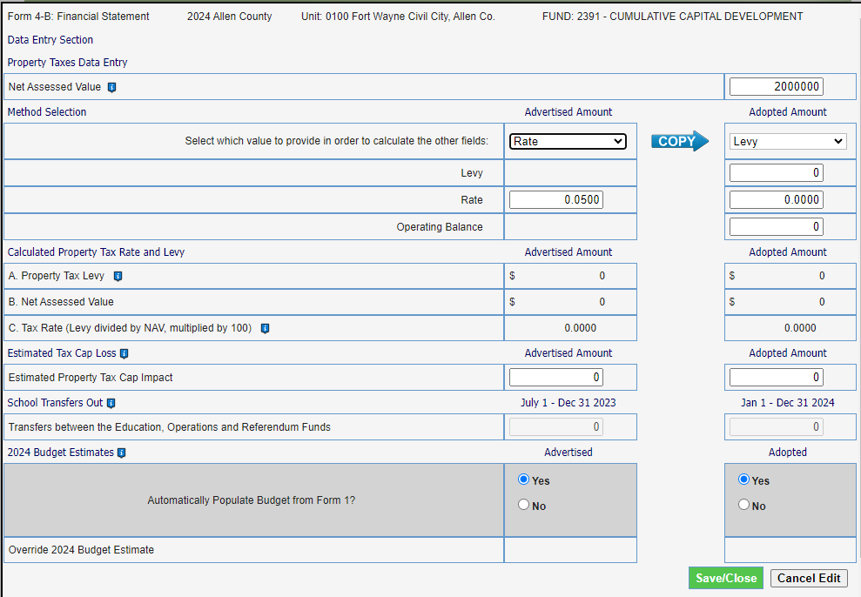

6. Repeat these steps for each one of your funds with a maximum rate.

