Online & On-Demand
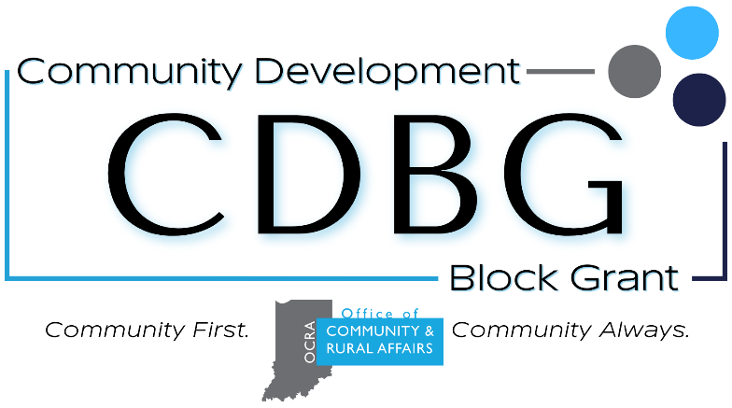
 | Indiana Office of Community and Rural Affairs
 | CDBG Approved CEU Sources - Online & On-Demand
 | IMPORTANT NOTES:
 | This spreadsheet highlights recurring and on-demand training from generally pre-approved CEU sources, and is not frequently updated. It is the GA's responsibility to find and complete eligible CEUs. Self-paced, on-demand, training is only eligible for CEU credit once; unless the material has substantially changed. |  |  |  | For the latest CDBG GA CEU Policy, refer to our continuing education webpage: https://www.in.gov/ocra/cdbg/grant-administrator-continuing-education/

Last Update: |  | 2026-06-16
Event Name | Organization | CDBG Programs | CDBG Knowledge Areas | M.O.D. | Event Link | Notes
AIM Webinars | Accelerate Indiana Municipalities | Multiple | Multiple | Online | https://aimindiana.org/webinars/ | Only live webinar events are eligible for CEU credit
APA Planning Webcast Series | American Planning Association | Multiple | Multiple | Online | https://www.ohioplanning.org/aws/APAOH/pt/sp/webcast_home_page | APA requires membership to access much of their training content
Basically CDBG Online | U.S. Department of Housing and Urban Development | Multiple | Federal and State CDBG Regulations, Compliance with Federal Regulations | Self-Paced | https://www.hudexchange.info/trainings/basically-cdbg/ | Not all modules are applicable to non-entitlement program partners. CEU-approved modules include: 1. History, Mission, & Overview 2. Planning 3. National Objectives and Eligible Activities 4. Public Facilities & Improvements 5. Other Federal Requirements 6. Financial Management
EFCN Training and Events | Environmental Finance Training Network | Multiple | Compliance with Federal Regulations, Utility Infrastructure, Environmental Sustainability and Green Infrastructure | Online | https://efcnetwork.org/training-events/ | Only live webinars are pre-approved for CEU credit
FHCCI Trainings | Fair Housing of Center of Central Indiana | Multiple | Compliance with Federal Regulations, Fair Housing & Civil Rights Compliance, Housing Development | Online | https://www.fhcci.org/events/ | Regularly occurring courses can only be taken once for CEU credit during a certification period.
Great Lakes ADA Center Live Trainings | ADA National Network | Multiple | Compliance with Federal Regulations, Public Facilities, Housing Development, Mobility Planning | Online | https://www.accessibilityonline.org/training | Only live webinars are pre-approved for CEU credit
HUD Exchange Live Trainings | U.S. Department of Housing and Urban Development | Multiple | Federal and State CDBG Regulations, Compliance with Federal Regulations | Online | https://www.hudexchange.info/trainings/ | The primary audience for HUD Exchange trainings are State CDBG Employees and Entitlement recipients. Not all trainings will be applicable to non-entitlement program partners. When in doubt, please submit a CEU Request form.
INCAA Trainings | Indiana Community Action Association | OOR | Compliance with Federal Regulations, Weatherization | Multiple Options | https://incaa.memberclicks.net/index.php?option=com_jevents&Itemid=115&task=. | Trainings regarding weatherization are pre-approved for CEUs
Indiana Communities Institute Trainings | Ball State University | Multiple | Financial Management, Economic Development, Housing Development | Multiple Options | https://www.bsu.edu/academics/centersandinstitutes/indiana-communities-institute | So far, the 2026 pre-approved CEU courses include: 1. Indiana Community Development Course (August, Michigan City IN)
Main Street Now Webinars | Main Street America | Multiple | Downtown and Main Street Redevelopment, Small Business Support & Entrepreneurship | Online | https://mainstreet.org/the-latest/events-opportunities | Only live webinars are pre-approved for CEU credit
NARR Best Practice Standards Series | National Association of Recovery Residences | RHP | Compliance with State and Federal Regulations, Recovery Housing Programs | Self-Paced | https://narronline.org/services/training/ | The primary audience for NARR Training is RHP providers and managers, but some information is valuable for GAs. CEU eligible NARR modules include: 1. NARR 00 - 07 2. NARR 11 - Recovery Residence Ethics 3. NARR 13 - Recovery Residence Rights & Responsibilities 4. NARR 15: Standard 19 - Emergency Preparedness 5. NARR 19: Standards 30 & 31 - Good Neighbor Essentials
NGMA Monthly Webinars & E-Learning | National Grant Management Association | Multiple | Multiple | Online | https://www.ngma.org/events/ | Only live webinars are pre-approved for CEU credit
WEF Learning Center | Water Environment Federation | Multiple | Utility Infrastructure, Environmental Sustainability and Green Infrastructure, Compliance with Federal Regulations | Self-Paced | https://learn.wef.org/catalog/ | Pre-Approved on-demand modules include: 1. Circular Water Economy 101 2. Aging Infrastructure: The Danger Brewing Right Under 3. Resiliency using Distributed Infrastructure in Circular Water Planning 4. Getting on the Same Page - Learning how to communicate more effectively with your Elected Officials 5. Cross-Sector Awareness Training: Water/Wastewater Sector 6. Collection Systems Management Short Course 7. Infrastructure Resilience Short Course 8. Inflow and Infiltration Learning Module 9. Integrated Planning for Watershed Management Short Course 10. Integrated Planning in Action
WEF Webinars | Water Environment Federation | Multiple | Utility Infrastructure, Environmental Sustainability and Green Infrastructure, Compliance with Federal Regulations | Online | https://www.wef.org/events--education/conferences/all-events/?r=SearchCategories%5bType+of+Event~Webcasts%5d | Only live webinars are pre-approved for CEU credit
WIPFLI | WIPFLI Advisory LLC | Multiple | 2 CF 200 Uniform Administrative Requirements, In-Kind regulations | Online | https://www.wipfli.com/events?i=Nonprofits|Governments | Only training related to Uniform Guidance and In-kind regulations are pre-approved for CEU credit.

