Directions and Guidance
 |  | 2024 - 2025 Dual Language Pilot Program Grant Budget Table
2024 - 2025 Dual Language Pilot Program Grant Budget Table | DIRECTIONS

Detailed Budget Instructions

Step 1: Update the school corporation information

 | a) Complete the School Corporation/Charter School Name information in cells D5:F6 (red).

Step 2: Complete the budget table with funding descriptions and amounts

 | a) Choose the correct budget category for each expenditure.
 | b) Itemize your expenditures, describing each with detail.
 | NOTE: It must be ensured that all Dual Language Grant expenditures directly support dual language education programming. Employee salaries and food are unallowable expenses for this grant. Due to the competitive nature of this grant, specificity is required (i.e., instead of "instructional materials", specify "bilingual curricular materials for 5th grade - 48 students total").

 | NOTE: Expenses can be combined, but must be detailed in the Description of Expense column. For example, "Visas for three visiting teachers, 3 x $1,000 per teacher)". Broad or vague expenditure descriptions (i.e., "stipends for PD" or "curriculum") will not be approved.

 | NOTE: Funds must be calculated to the exact amount, without rounding, and may not exceed the requested amount of funding in Column E. If an expense is split-funded, only include the expenditures that will be funded through the Dual Language Pilot Program grant on the detailed budget.

 | c) Add rows as necessary. If additional rows are needed for a budget category, right-click in the last available cell in the category and choose "+ Insert 1 row above".

 | d) Ensure the total grant funds requested populate correctly. You should see your total amount of grant funds requested at the bottom of the table, which should not exceed your allowed tiered funding amount.

Budget Summary Instructions

Step 1: Update the school corporation information

 | a) Complete the School Corporation/Charter School Name information in cells E7:F7 (red).

 | b) Complete the School Corporation/Charter School Vendor Address information in cells E8:F8 (red). This should be the address registered with IDOA to facilitate reimbursements.

Step 2: Complete the budget summary table

 | a) Calculate the total funds requested for each category on the detailed budget. Enter the total for each budget category in the table.
 | NOTE: Funds must be calculated to the exact amount, without rounding. If there are no expenditures for a certain budget category, enter $0.00.

 | b) Ensure the total grant funds requested populate correctly. You should see your total amount of grant funds requested at the bottom of the table, which should not exceed your allowed tiered funding amount.

State Travel Guidelines

 | Mileage:
 | Current Mileage Rate: $0.49/mile (As of 6/15/2022)
 | NOTE: Mileage must be specific and detailed, including travel purpose, originating destination, travel destination, estimated miles to be traveled, and number of vehicles. For example, "Program visit to Indianapolis from South Bend. 2 cars x 300 miles (round trip) x $0.49/mile."

 | Per-diem:
 | 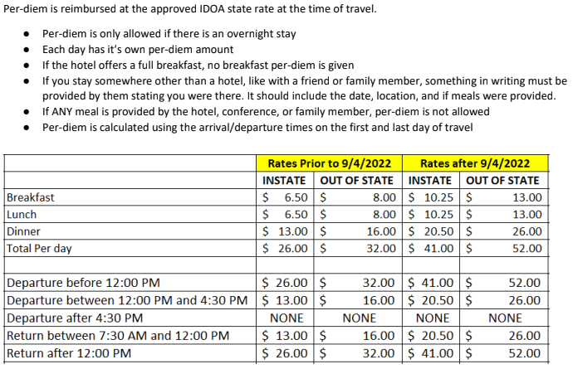

 | NOTE: If the per-diem requested is less than the daily amount, additional details must be included in the Description of Expense column. For example, "5 people, 2 days @ $39 per day (breakfast and dinner only, lunch is provided)."

 | In-State Lodging:
 | 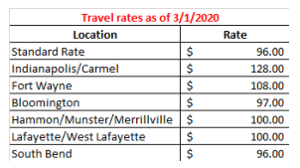

 | NOTE: This table reflects base rates and does not include potential taxes and fees. In-state lodging fees requested can exceed these approved amounts, as long as the expense description explains the additional fees. For example, "5 people/1 night @ $104/night (state rate of $96 + taxes/fees)."

