Instructions
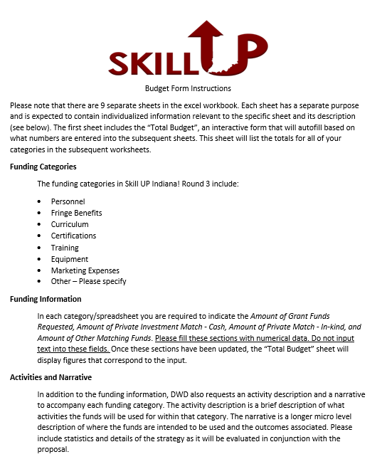

Total Budget


SKILL UP BUDGET REQUEST

Category | Amount of Grant Funds Requested | Amount of Private Investment Match - Cash | Amount of Private Investment Match - In-kind Funds | Amount of Other Matching Funds (State/Federal/etc.) Matching Funds (State/Federal/etc.)
Personnel | 0 | 0 | 0 | 0

Fringe Benefits | 0 | 0 | 0 | 0

Curriculum | 0 | 0 | 0 | 0

Certifications | 0 |  | 0 | 0

Training | 0 | 0 | 0 | 0

Equipment | 0 | 0 | 0 | 0

Marketing Expenses | 0 | 0 | 0 | 0

Other | 0 | 0 | 0 | 0

TOTAL FUNDS | $- | $- | $- | $-

TOTAL BUDGET

